Catálogo Aplicaciones
Catálogo Componentes Cardánicos
 |  |  |  |  |  | 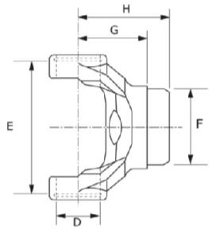 |  | 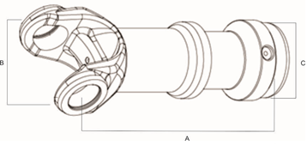 |  | 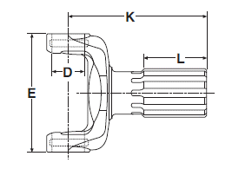 |  |  | 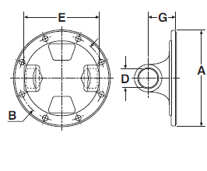 |  | 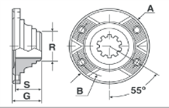 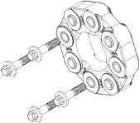 |  | 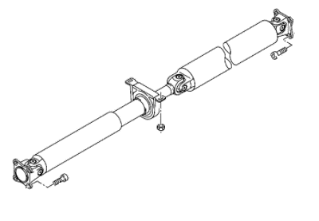
Marca | Vehículo | Año | Motor / Tracción | Posición y Tipo de Cardán | Cruceta | Horquilla Fija | Horquilla Deslizante | Sub - Conjunto Horquilla y Punta | Punta Estriada | Horquilla Punta | Puente | Salida de Puente | Brida | Acoplamiento a Cardán (Salida de Puente) | Acoplamiento a Cardán (Brida) | Acoplamiento a Diferencial (Salida de Puente) | Conjuntos Cardánicos | Accesorios | Descripción del Accesorio
Agrale | 13000 E | 2007 a 2012 | MWM 6.10 TCA 6cil. / 4x2 | B • D6 | SPL90-1XS | 90-28-27 |  |  | 90-53-11 |  | 210084-2X |  |  | 04-898-1 | 01-294C
Agrale |  |  |  | E • T4 | SPL90-1XS | 90-28-27 | 90-3-21X |  | 90-40-11 |  |  |  |  | 04-898-1
Agrale | 1600 | 1986 a 1991 | MWM D229-3 / 4x2 | A • T4 | 5-273XS | 2-28-1697XS | 2-3-14491KX |  | 2-40-1521
Agrale | 1800 | 1988 a 1996 | 4x2 | B • D6 | 5-160XS | 3-28-97 |  |  | 3-53-1881 |  |  | 04-590-1 |  | 3-4-11831-2
Agrale |  |  |  | B • D6 | 1410XS / 5-641XS
Agrale |  |  |  | E • T4 | 5-160XS | 3-28-97 | 3-3-118KX1 |  | 3-40-1901
Agrale |  |  | Maxion S4; MWM D229-4 /4x2 | A • T4 | 5-273XS | 2-28-1697XS | 2-3-14491KX |  | 2-40-1521
Agrale | 4500 | 1994 | MWM D229-3 / 4x2 | A • T4 | 5-273XS | 2-28-1697XS | 2-3-14491KX |  | 2-40-1521
Agrale |  | 1995 a 1997 |  | A • TC4 | 1410XS / 5-641XS
Agrale |  |  |  | A • TC4 | 5-160XS | 3-28-97 | 3-3-118KX1 |  | 3-40-1901
Agrale | 5000 | 1994 | MWM D229-4 / 4x2 | A • T4 | 5-273XS | 2-28-1697XS | 2-3-14491KX |  | 2-40-1521
Agrale |  | 1995 a 1997 |  | A • TC4 | 1410XS / 5-641XS
Agrale |  |  |  | A • TC4 | 5-160XS | 3-28-97 | 3-3-118KX1 |  | 3-40-1901
Agrale | 5010 | 1994 | Deutz / 4x2 | A • TC4 | 5-273XS | 2-28-1697XS | 2-3-14491KX |  | 2-40-1521
Agrale |  | 1995 a 1998 |  | A • TC4 | 1410XS / 5-641XS
Agrale |  |  |  | A • TC4 | 5-160XS | 3-28-97 | 3-3-118KX1 |  | 3-40-1901
Agrale | 6.0 TCA | 1998 a 2000 | 4x2 | B • D6 | 5-263XS | 3-28-537 |  |  | 3-53-1821 |  | 210391-1X | 04-590-1 |  | 3-4-3091-1
Agrale |  |  |  | E • T4 | 5-263XS | 3-28-537 | 3-3-1601KX1 |  | 3-40-1571
Agrale | 6000 | 1998 a 2000 | 4x2 | B • D6 | 5-160XS | 3-28-97 |  |  | 3-53-1881 |  | 210391-1X |  |  | 3-4-11831-2
Agrale |  |  |  | B • D6 | 1410XS / 5-641XS
Agrale |  |  |  | E • T4 | 5-160XS | 3-28-97 | 3-3-118KX1 |  | 3-40-1901
Agrale | 6500 | 2012 a 2020 | 4x2 |  |  |  |  |  |  |  |  | 04-961-1
Agrale | 7000 | 1993 a 2000 | Deutz; MWM 4.10 T / 4x2 | B • D6 | 5-160XS | 3-28-97 |  |  | 3-53-1881 |  | 210391-1X |  |  | 3-4-11831-2
Agrale |  |  | Deutz; MWM 4.10 T; MWM D229-4 / 4x2 | E • T4 | 5-160XS | 3-28-97 | 3-3-118KX1 |  | 3-40-1901
Agrale |  |  | MWMD229-4 / 4x2 | A • TC4 | 5-160XS | 3-28-97 | 3-3-118KX1 |  | 3-40-1901 |  |  | 04-590-1
Agrale |  |  |  | B • D6 | 5-160XS | 3-28-97 |  |  | 3-53-1881 |  | 210391-1X | 04-590-1 |  | 3-4-11831-2
Agrale | 7500 | 1993 a 2000 | Deutz / 4x2 | B • D6 | 5-160XS | 3-28-97 |  |  | 3-53-1881 |  | 210391-1X |  |  | 3-4-11831-2
Agrale |  |  |  | E • T4 | 5-160XS | 3-28-97 | 3-3-118KX1 |  | 3-40-1901
Agrale |  |  |  | B • D6 | 1410XS / 5-641XS |  |  |  |  |  |  |  |  | 3-4-3091-1
Agrale |  |  | MWM D229-EC4 / 4x2 | A • TC4 | 5-160XS | 3-28-97 | 3-3-118KX1 |  | 3-40-1901 |  |  | 04-590-1
Agrale |  | 2001 a 2002 | MWM 4.10 T / 4x2 | Trasero |  |  |  |  |  |  |  | 5004468
Agrale |  | 1994 a 2012 | MWM 4.10 T / 4x2 | B • D6 | 5-263XS | 3-28-537 |  |  | 3-53-1821 |  | 210433-1X | 04-590-1
Agrale |  |  |  | E • T4 | 5-263XS | 3-28-537 | 3-3-1601KX1 |  | 3-40-1571
Agrale | 8500 | 1994 a 2000 | MWM 4.10 T / 4x2 | B • D6 | 5-263XS | 3-28-537 |  |  | 3-53-1821 |  | 210433-1X
Agrale |  | 2001 a 2002 | MWM 4.10 T / 4x2 | Trasero |  |  |  |  |  |  |  | 5004468
Agrale |  | 2012 a 2020 | 4x2 |  |  |  |  |  |  |  |  | 04-961-1
Agrale |  | 1997 a 2000 | MWM 4.10 T / 4x2 | E • T4 | 5-263XS | 3-28-537 | 3-3-1601KX1 |  | 3-40-1571
Agrale | 9200 | 1998 a 2012 | MWM Acteon 4.12 / 6x4 | B • D9 | 5-281XS | 6.5-28-127 |  |  | 6.5-53-51 |  | 47-981-51X |  | 6.5-2-329 | 6.5-4-1891-1
Agrale |  |  |  | E • T13 | 5-281XS | 6.5-28-127 | 6.5-3-1371KX |  | 8-40-101 |  |  |  | 6.5-2-329
Agrale |  | 2012 a 2020 | 4x2 |  |  |  |  |  |  |  |  | 04-961-1
Agrale | 9500 | 2012 a 2020 | 4x2 |  |  |  |  |  |  |  |  | 04-961-1
Agrale | 13000 | 2008 a 2012 | MWM 6.10 TCA |  |  |  |  |  |  |  |  | 5003992
Agrale | 14000 | 2013 a 2020 | MWM 6.10 TCA |  |  |  |  |  |  |  |  | 5003992
Agrale | MA 12 E-Tronic | 2009 a 2020 | Cummi ns Interact 4 |  |  |  |  |  |  |  |  | 5003992
Agrale | A 7500 | 2015 a 2020 | 4x2 |  |  |  |  |  |  |  |  | 04-961-1
Agrale | MA 5.5 | 1994 a 1996 | MWM D229-4 / 4x2 | B • D6 | 5-160XS | 3-28-97 |  |  | 3-53-1881 |  | 210391-1X | 04-590-1 |  | 3-4-11831-2
Agrale |  |  |  | B • D6 | 1410XS / 5-641XS
Agrale |  |  |  | E • T4 | 5-160XS | 3-28-97 | 3-3-118KX1 |  | 3-40-1901
Agrale | MA 7.5 | 1996 a 2000 | MWM 4.10 T / 4x2 | B • D6 | 5-263XS | 3-28-537 |  |  | 3-53-1821 |  | 210391-1X |  |  | 3-4-3091-1
Agrale |  |  |  | E • T4 | 5-263XS | 3-28-537 | 3-3-1601KX1 |  | 3-40-1571
Agrale | MA 8.5 | 1997 a 2012 | MWM 4.10 T / 4x2 | B • D6 | 5-263XS | 3-28-537 |  |  | 3-53-1821 |  | 210433-1X
Agrale |  |  |  | E • T4 | 5-263XS | 3-28-537 | 3-3-1601KX1 |  | 3-40-1571
Agrale |  | 2012 a 2020 | 4x2 |  |  |  |  |  |  |  |  | 04-961-1
Agrale | MA 10 | 2011 a 2020 | 4x2 |  |  |  |  |  |  |  |  | 04-961-1
Agrale | MT 15.0 | 2015 a 2020 | 4x2 |  |  |  |  |  |  |  |  | 5-4-8971-1
Chevrolet (GM) | 12170 | 1998 a 2002 | 4x2 | B • D9 | 5-438XS | 5-28-327 |  |  | 90-53-11 |  | 210084-2X |  |  | 5-4-7171-1
Chevrolet (GM) |  |  |  | C • D9 | 5-438XS | 5-28-327 |  |  | 90-53-11 |  | 210084-2X |  |  | 5-4-7171-1
Chevrolet (GM) |  |  |  | E • T13 | 5-438XS | 5-28-327 | 5-3-2261KX |  | 5-40-1051
Chevrolet (GM) | 13000 | 2007 a 2009 | MWM 6.4 4cil. / 4x2 | B • D6 | SPL90-1XS | 90-28-27 |  |  | 90-53-11 |  | 210084-2X |  | 90-2-45 | 90-4-11-1
Chevrolet (GM) |  |  |  | E • T4 | SPL90-1XS | 90-28-27 | 90-3-21X |  | 90-40-11 |  |  |  | 90-2-45
Chevrolet (GM) | 14000 | 1992 a 1995 |  |  | SPL55-1XS |  | 3-3-1601KX
Chevrolet (GM) | 14190 | 1997 a 2002 | 4x2 | B • D9 | 5-438XS | 5-28-327 |  |  | 90-53-11 |  | 210084-2X |  |  | 5-4-7171-1
Chevrolet (GM) |  |  |  | C • D9 | 5-438XS | 5-28-327 |  |  | 90-53-11 |  | 210084-2X |  |  | 5-4-7171-1
Chevrolet (GM) |  |  |  | E • T13 | 5-438XS | 5-28-327 | 5-3-2261KX |  | 5-40-1051
Chevrolet (GM) | 15190 | 1999 a 2002 | 4x2 | B • D9 | 5-438XS | 5-28-327 |  |  | 90-53-11 |  | 210084-2X | 5-4-8971-1 |  | 5-4-7171-1
Chevrolet (GM) |  |  |  | E • T13 | 5-438XS | 5-28-327 | 5-3-2261KX |  | 5-40-1051 |  |  | 5-4-8971-1
Chevrolet (GM) | 16220 | 1997 a 2002 | 4x2 | B • D9 | 5-438XS | 5-28-327 |  |  | 90-53-11 |  | 210084-2X | 5-4-8971-1 |  | 5-4-7171-1
Chevrolet (GM) |  |  |  | C • D9 | 5-438XS | 5-28-327 |  |  | 90-53-11 |  | 210084-2X | 5-4-8971-1 |  | 5-4-7171-1
Chevrolet (GM) |  |  |  | E • T13 | 5-438XS | 5-28-327 | 5-3-2261KX |  | 5-40-1051 |  |  | 5-4-8971-1
Chevrolet (GM) | 6100 | 1998 a 2000 | Maxion 4cil. S4; MWM / 6cil. Turbo 4.2 / 4x2 | B • D3 | 5-160XS | 3-28-97 |  |  | 3-53-1361 |  | 47-950-6X | 04-590-1
Chevrolet (GM) |  |  |  |  | 1410XS / 5-641XS
Chevrolet (GM) |  |  |  | E • T11 | 5-160XS | 3-28-97 | 3-3-1481KX
Chevrolet (GM) | 6150 | 1998 a 2000 | Maxion 4cil. S4; MWM / 6cil. Turbo 4.2 / 4x2 | B • D3 | 5-160XS | 3-28-97 |  |  | 3-53-1361 |  | 47-950-6X | 3-4-10571-1
Chevrolet (GM) |  |  |  |  | 1410XS / 5-641XS
Chevrolet (GM) |  |  |  | E • T11 | 5-160XS | 3-28-97 | 3-3-1481KX
Chevrolet (GM) | 6500 |  | 4x2 |  | 5-160XS | 3-28-267
Chevrolet (GM) | 2500 / 3500 / 6000 | 1969 a 1976 | 4x2 |  | 5-178XS | 3-28-157XS |  |  | PU-111
Chevrolet (GM) | A-10 /C-10 /D-10 | 1970 a 1984 | 4x2 | A • T5 | 5-153XS | 2-28-397 | 2-3-128KX2 |  | 2-40-2911 |  |  |  | 2-2-479
Chevrolet (GM) |  |  |  |  | 5-153XS | 2-28-327
Chevrolet (GM) |  | 1972 a 1982 | 4x2 | A • T11 | 5-153XS | 2-28-437 | 2-3-128KXS
Chevrolet (GM) |  |  |  |  | 5-153XS | 2-28-397 | 2-3-128KXS
Chevrolet (GM) |  | 1977 a 1984 | 4x2 | A • U2 | 5-153XS | 2-28-1697XS | 03-313X
Chevrolet (GM) |  |  | 4x2 |  | 5-153XS | 2-28-437 | 03-313X |  | PU-112
Chevrolet (GM) |  | 1982 a 1989 | 4x2 | A • U2 | 5-273XS | 2-28-437 | 03-438X
Chevrolet (GM) | A-15 / C-15 /D-15 | 1964 a 1970 | 4x2 | B • D4 | 5-153XS | 2-28-437 |  |  | 3-53-1371 |  | 211579-1X
Chevrolet (GM) |  | 1964 a 1977 | 4x2 | B • D2 | 5-153XS | 2-28-437 | 03-313X |  | 3-53-1371 |  | 211579-1X |  | 2-2-479
Chevrolet (GM) |  |  |  |  | 5-153XS | 2-28-397 | 03-313X
Chevrolet (GM) |  |  |  | E • T11 | 5-153XS | 2-28-437 | 03-313X
Chevrolet (GM) |  | 1970 a 1976 | 4x2 | A • U2 | 5-153XS | 2-28-1697XS
Chevrolet (GM) | A-20 /C-20 /D-20 | 1978 a 1998 | 4x2 | A • T4 | 5-160XS | 3-28-97 | 3-3-118KX1 |  | 3-40-1901
Chevrolet (GM) |  |  |  | A • TC4 | 5-273XS | 2-28-1697XS | 2-3-14491KX |  | 2-40-1521
Chevrolet (GM) |  |  |  | B • D3 | 5-160XS | 3-28-97 |  |  | 3-53-1361
Chevrolet (GM) |  |  |  |  | 5-273XS | 2-28-1697XS |  |  | 2-53-501 |  | 47-950-6X | 3-4-10571-1
Chevrolet (GM) |  |  |  | E • T11 | 5-160XS | 3-28-97 | 3-3-1481KX |  |  |  | 211579-1X
Chevrolet (GM) |  |  |  | E • U2 | 5-273XS | 2-28-1697XS | 2-3-14501KX
Chevrolet (GM) |  | 1981 a 1996 | 4x4 | H • T11 | 5-273XS | 2-28-1697XS
Chevrolet (GM) |  |  |  | I • T11 | 5-273XS | 2-28-1697XS
Chevrolet (GM) |  | 1978 a 1989 | 4x2
Chevrolet (GM) |  | 1982 a 1996 | 4x2 | A • U2 | 5-273XS | 2-28-1697XS | 03-438X |  | 2-40-1521
Chevrolet (GM) | C-30 | 1969 a 1978 | 4x2 |  | 5-178XS |  |  |  | PU-117 |  |  |  | 3-2-119
Chevrolet (GM) | A-24 /C-24 /D-24 | 1981 a 1996 | 4x4 | H • T11 | 5-273XS | 2-28-1697XS
Chevrolet (GM) |  |  |  | I • T11 | 5-273XS | 2-28-1697XS
Chevrolet (GM) |  | 1982 a 1996 | 4x2 | A • TC4 | 5-273XS | 2-28-1697XS | 2-3-14491KX |  | 2-40-1521
Chevrolet (GM) |  |  |  | A • U2 | 5-273XS | 2-28-1697XS | 03-438X |  | 2-40-1521
Chevrolet (GM) | A-25 / C-25 /D-25 | 1981 a 1996 | 4x4 | H • T11 | 5-273XS | 2-28-1697XS
Chevrolet (GM) |  |  |  | I • T11 | 5-273XS | 2-28-1697XS
Chevrolet (GM) |  | 1985 a 1996 | 4x2 | B • D3 | 5-273XS | 2-28-1697XS | 03-438X |  | 2-53-501 |  | 211579-1X
Chevrolet (GM) |  |  |  | B • D4 | 5-273XS | 2-28-1697XS | 03-438X |  | 2-53-501 |  | 211579-1X
Chevrolet (GM) |  |  |  | E • T11 | 5-273XS | 2-28-1697XS | 2-3-14501KX
Chevrolet (GM) | A-40 / C-40/D-40 | 1981 a 1995 | 4x2 | B • D3 | 5-160XS | 3-28-97 |  |  | 3-53-1361 |  | 47-950-6X | 04-590-1
Chevrolet (GM) |  |  |  | B • D3 | 1410XS / 5-641XS
Chevrolet (GM) |  |  |  | E • T11 | 5-160XS | 3-28-97 | 3-3-1481KX
Chevrolet (GM) | C-60 |  | 4x2 |  | 5-160XS | 3-28-267
Chevrolet (GM) | A-64 / C-64 | 1981 a 1989 | 4x2 | B • D2 | 5-275XS | 4-28-637 |  |  | PU-171 |  | 47-956-2XR |  | 4-2-669
Chevrolet (GM) |  | 1987 a 1989 | 4x2 | E • T11 | 5-160XS | 3-28-97 | 3-3-1481KX
Chevrolet (GM) |  |  |  |  | 5-275XS | 4-28-307
Chevrolet (GM) | A-64 / C-64 /D-64 | 1981 a 1989 | 4x2 | B • D5 | 5-275XS | 4-28-307 |  |  | 4-53-541 |  | 47-951-1XR |  | 4-2-669 | 4-4-2051-1
Chevrolet (GM) |  |  |  | E • T11 | 5-275XS | 4-28-307 |  |  |  |  | 211579-1X
Chevrolet (GM) |  |  |  | E • T4 | 5-275XS | 4-28-307 | 4-3-1241KX1 |  | PU-172
Chevrolet (GM) |  | 1987 a 1989 | 4x2 | B • D2 | 5-160XS | 4-28-637 |  |  | 2-53-501 |  | 47-951-1XR |  | 3-2-159
Chevrolet (GM) |  |  |  | B • D5 | 5-275XS | 4-28-307 |  |  | 4-53-541 |  |  |  | 4-2-669 | 4-4-2051-1
Chevrolet (GM) |  |  |  | B • D3 | 1410XS / 5-641XS
Chevrolet (GM) |  |  |  | E • T4 | 5-275XS | 4-28-307 | 4-3-1241KX1 |  | PU-172
Chevrolet (GM) | A-65 / C-65 / D-65 | 1970 a 1980 | 4x2 | B • D2 | 5-160XS | 3-28-97 | 3-3-2041KX |  | 2-53-501 |  | 47-951-1XR |  | 3-2-159
Chevrolet (GM) |  | 1970 a 1989 | 4x2 | E • T11 | 5-160XS | 3-28-97 | 3-3-1481KX
Chevrolet (GM) |  | 1972 a 1980 | 4x2 | E • T11 | 5-160XS | 3-28-97 | 3-3-1481KX
Chevrolet (GM) |  | 1972 a 1989 | 4x2 | B • D2 | 5-160XS | 3-28-97 |  |  | 2-53-501 |  | 211579-1X |  | 3-2-159
Chevrolet (GM) |  | 1976 a 1979 | 4x2 | B • D2 | 5-263XS | 4-28-637 |  |  | 3-53-451 |  | 210433-1X |  | 3-2-479
Chevrolet (GM) |  |  |  | E • T11 | 5-263XS | 4-28-637
Chevrolet (GM) |  | 1981 a 1989 | 4x2 | B • D2 | 5-275XS | 4-28-307 |  |  | PU-171 |  | 47-951-1XR |  | 4-2-669
Chevrolet (GM) |  |  |  | B • D5 | 5-275XS | 4-28-307 |  |  | 4-53-541 |  |  |  | 4-2-669 | 4-4-2051-1
Chevrolet (GM) |  |  |  | E • T11 | 5-275XS | 4-28-307
Chevrolet (GM) |  |  |  | E • T11 | 1410XS / 5-641XS
Chevrolet (GM) |  |  |  | E • T4 | 5-275XS | 4-28-307 | 4-3-1241KX1 |  | PU-172
Chevrolet (GM) |  | 1985 a 1987 | 4x2 | B • D2 | 5-275XS | 4-28-307 |  |  | PU-171 |  | 47-951-1XR |  | 4-2-669
Chevrolet (GM) |  |  |  | E • T11 | 5-275XS | 4-28-307
Chevrolet (GM) |  | 1985 a 1989 | 4x2 | B • D2 | 5-275XS | 4-28-307 |  |  | PU-171 |  | 47-956-2XR |  | 4-2-669
Chevrolet (GM) |  |  |  | E • T11 | 5-275XS | 4-28-307
Chevrolet (GM) |  | 1987 a 1989 | 4x2 | B • D5 | 5-275XS | 4-28-307 |  |  | 4-53-541 |  | 47-951-1XR |  | 4-2-669 | 4-4-2051-1
Chevrolet (GM) |  |  |  | E • T4 | 5-275XS | 4-28-307 | 4-3-1241KX1 |  | PU-172
Chevrolet (GM) | A-68 / C-68 /D-68 | 1970 a 1980 | 4´2 | B • D5 | 5-160XS | 3-28-97 |  |  | 3-54-611 |  | 47-951-1XR |  | 3-2-159 | 04-250-1C
Chevrolet (GM) |  |  |  | C • D3 | 5-160XS | 3-28-97 |  |  | 3-53-1361 |  | 47-950-6X
Chevrolet (GM) |  |  |  | E • T11 | 5-160XS | 3-28-97 | 3-3-1481KX
Chevrolet (GM) |  | 1976 a 1979 | 4´2 | B • D5 | 5-263XS | 4-28-637 |  |  | 3-53-1821 |  |  |  | 3-2-479 | 3-4-3091-1
Chevrolet (GM) |  |  |  | C • D3 | 5-263XS | 4-28-637 |  |  | 3-53-451
Chevrolet (GM) |  |  |  | E • T11 | 5-263XS | 4-28-637
Chevrolet (GM) |  | 1981 a 1989 | 4´2 | B • D5 | 5-275XS | 4-28-307 |  |  | 4-53-541 |  | 47-951-1XR |  | 4-2-669 | 4-4-2051-1
Chevrolet (GM) |  |  |  | C • D3 | 5-275XS | 4-28-307 |  |  | PU-171 |  | 47-956-2XR
Chevrolet (GM) |  |  |  | E • T11 | 5-275XS | 4-28-307
Chevrolet (GM) |  |  |  | E • T11 | 1410XS / 5-641XS
Chevrolet (GM) |  |  |  | E • TC4 | 5-275XS | 4-28-307 | 4-3-1241KX1 |  | PU-172
Chevrolet (GM) |  | 1987 a 1989 | 4´2 | B • D5 | 5-275XS | 4-28-307 |  |  | 4-53-541 |  | 47-951-1XR | 4-4-5131-1X | 4-2-669 | 4-4-2051-1
Chevrolet (GM) |  |  |  | C • D3 | 5-275XS | 4-28-307 |  |  | PU-171 |  | 47-956-2XR
Chevrolet (GM) |  |  |  | E • T11 | 5-275XS | 4-28-307
Chevrolet (GM) |  |  |  | E • TC4 | 5-275XS | 4-28-307 | 4-3-1241KX1 |  | PU-172
Chevrolet (GM) | A-74 / C-74 /D-74 | 1987 a 1989 | 4x2 |  | 1410XS / 5-641XS |  |  |  |  |  | 211579-1X
Chevrolet (GM) | A-85 / C-85 /D-85 | 1981 a 1987 | 4´2 | B • D2 | 5-275XS |  |  |  | PU-171 |  | 47-956-2XR |  | 4-2-669
Chevrolet (GM) |  |  |  | E • T11 | 5-275XS | 4-28-307
Chevrolet (GM) |  | 1987 a 1989 | 4´2 | B • D5 | 5-275XS | 4-28-637 |  |  | 4-53-541 |  | 47-951-1XR |  | 4-2-669 | 4-4-2051-1
Chevrolet (GM) |  |  |  | E • T4 | 5-275XS | 4-28-307 | 4-3-1241KX1 |  | PU-172
Chevrolet (GM) | A-95 / C-95 /D-95 | 1985 a 1987 | 4´2 | B • D2 | 5-275XS | 4-28-637 |  |  | PU-171 |  | 47-951-1XR |  | 4-2-669
Chevrolet (GM) |  |  |  | E • T11 | 5-275XS | 4-28-307
Chevrolet (GM) |  | 1987 a 1990 | 4´2 | B • D5 | 5-275XS | 4-28-637 |  |  | 4-53-541 |  | 47-951-1XR |  | 4-2-669 | 4-4-2051-1
Chevrolet (GM) |  |  |  | E • T4 | 5-275XS | 4-28-307 | 4-3-1241KX1 |  | PU-172
Chevrolet (GM) | A-98 /C-98 /D-98 | 1985 a 1987 | 4´2 | B • D5 | 5-275XS | 4-28-637 |  |  | 4-53-541 |  | 47-951-1XR |  | 4-2-669 | 4-4-2051-1
Chevrolet (GM) |  |  |  | C • D3 | 5-275XS | 4-28-307 |  |  | PU-171 |  | 47-956-2XR
Chevrolet (GM) |  |  |  | E • T11 | 5-275XS | 4-28-307
Chevrolet (GM) |  | 1987 a 1989 | 4´2 | E • TC4 | 5-275XS | 4-28-307 | 4-3-1241KX1 |  | PU-172
Chevrolet (GM) | Blazer | 1996 a 1998 | 2.2 EFI; 4.3 MPFI V6; 4.3V6; Maxion 2.5 HS / 4x2 | A • U2 | 5-273XS | 2-28-1697XS | 2-3-14371X
Chevrolet (GM) |  |  | 4.3 MPFI V6; 4.3 V6 / 4x4 | I • U2 | 5-273XS | 2-28-1697XS | 2-3-14371X
Chevrolet (GM) |  | 1998 | 4.3 MPFI V6; 4.3 V6 / 4x4 |  | 5-273XS |  | 03-557X
Chevrolet (GM) | Bonanza | 1989 a 1995 | 4x2 | A • TC4 | 5-273XS | 2-28-1697XS | 2-3-14491KX |  | 2-40-1521
Chevrolet (GM) |  |  |  | A • U2 | 5-273XS | 2-28-397 | 2-3-14491KX |  | 2-40-1521
Chevrolet (GM) |  |  | Turbo / 4x2 | A • T4 | 5-160XS | 3-28-97 | 3-3-118KX1 |  | 3-40-1901 |  |  | 3-4-10571-1
Chevrolet (GM) | Chevy | 1964 a 1978 | 4x2 |  | 5-153XS
Chevrolet (GM) | Chevette | 1973 a 1982 | 4x2 | A • U1 | 5-310XS | 2-28-827
Chevrolet (GM) |  | 1973 a 1995 | 4x2 | A • U1 | 5-101XS / 5-2XS
Chevrolet (GM) |  | 1981 a 1995 | 4x2 | A • U2 | 5-310XS | 2-28-827
Chevrolet (GM) | D-64 | 1981 a 1989 | 4x2 | B • D2 | 5-275XS | 4-28-307 |  |  | PU-171 |  | 47-956-2XR |  | 4-2-669
Chevrolet (GM) |  |  |  |  | 5-275XS | 4-28-637 |  |  | PU-171
Chevrolet (GM) |  | 1987 a 1989 | 4x2 | E • T11 | 5-160XS | 3-28-97 | 3-3-1481KX
Chevrolet (GM) |  |  |  |  | 5-275XS | 4-28-307
Chevrolet (GM) | Grand Blazer | 1999 | 6cil. / 4x2 | B • D3 | 5-273XS | 2-28-1697XS |  |  | 2-53-501 |  | 211579-1X
Chevrolet (GM) |  |  |  | E • T11 | 5-273XS | 2-28-1697XS | 2-3-14501KX
Chevrolet (GM) |  | 1999 a 2000 | MWM 4.2 Turbo 6cil. /4x2 | B • D3 | 5-160XS | 3-28-97 |  |  | 3-53-1361 |  | 47-950-6X
Chevrolet (GM) |  |  |  |  | 1410XS / 5-641XS
Chevrolet (GM) |  |  |  | E • T11 | 5-160XS | 3-28-97 | 3-3-1481KX
Chevrolet (GM) | Opala | 1974 a 1988 | 4cil.; 6cil. / 4x2 | A • U1 | 5-310XS |  |  |  | 40-679
Chevrolet (GM) |  | 1988 a 1992 | 4cil. / 4x2 | B • D7 | 5-310XS |  |  |  | 40-679
Chevrolet (GM) |  |  | 4cil.; 6cil. / 4x2 | E • T6 | 5-310XS |  |  |  | 40-679 |  |  |  | 2-2-879
Chevrolet (GM) |  |  | 6cil. / 4x2 | B • D7 | 5-310XS |  |  |  | 40-679
Chevrolet (GM) | S10 | 1996 a 1998 | 2.2 EFI 4cil.; Maxion 2.5 HS / 4x2 | A • U2 | 5-273XS | 2-28-1697XS |  |  | 2-3-14371X |  | 210088-3X
Chevrolet (GM) |  | 1997 a 1998 | Maxion 2.5 HS / 4x2 | B • D4 | 5-273XS | 2-28-1697XS |  |  | 2-53-501
Chevrolet (GM) |  |  |  | E • T11 | 5-273XS | 2-28-1697XS | 2-3-14501KX |  | 2-3-14371X |  | 210088-3X
Chevrolet (GM) |  | 1997 a 2000 | 2.2 EFI 4cil. / 4x2 | E • T11 | 5-273XS | 2-28-1697XS | 2-3-14501KX |  | 2-3-14371X |  | 210088-3X
Chevrolet (GM) |  |  | 2.2 EFI 4cil.; 4.3 V6 / 4x2 | B • D4 | 5-273XS | 2-28-1697XS |  |  | 2-53-501
Chevrolet (GM) |  |  | 4.3 V6 / 4x2 | E • T11 | 5-273XS | 2-28-1697XS | 2-3-14501KX |  | 2-3-14371X |  | 210088-3X
Chevrolet (GM) |  | 1998 | Maxion 2.5 HS / 4x4 | I • U2 | 5-273XS | 2-28-1697XS |  |  | 2-3-14371X
Chevrolet (GM) |  | 1998 a 2011 | Cabina Simples - 4.3 Gasolina / 2.5 Turbo Diesel- 4x4 | Trasero |  |  |  |  |  |  |  |  |  |  |  |  | 7033-4010/0815X
Chevrolet (GM) |  | 1998 a 2011 | Cabina Doble - 4.3 Gasolina / 2.5 Turbo Diesel- 4x4 |  |  |  |  |  |  |  |  |  |  |  |  |  | 7033-4010/1190X
Chevrolet (GM) |  | 2000 | MWM Sprint 2.8 4T / 4x2 | B • D4 | 5-273XS | 2-28-1697XS |  |  | 2-53-501
Chevrolet (GM) |  |  |  | E • T11 | 5-273XS | 2-28-1697XS | 2-3-14501KX |  | 2-3-14371X |  | 210088-3X
Chevrolet (GM) |  | 2001 a 2009 | 2.8; 4.3 / 4x2 | A |  |  |  |  |  |  | 210088-3X
Chevrolet (GM) | Silverado | 1997 a 1998 | MWM 6cil. Turbo 4.2 / 4x2 | B • D3 | 5-160XS | 3-28-97 |  |  | 3-53-1361 |  | 47-950-6X
Chevrolet (GM) |  |  |  | E • T11 | 5-160XS | 3-28-97 | 3-3-1481KX
Chevrolet (GM) |  | 1997 a 1999 | 4.1 6cil. MPFI / 4x2 | B • D3 | 5-273XS | 2-28-1697XS |  |  | 2-53-501 |  | 211579-1X | 3-4-10571-1
Chevrolet (GM) |  |  |  | E • T11 | 5-273XS | 2-28-1697XS | 2-3-14501KX
Chevrolet (GM) |  | 1997 a 2000 | Maxion 4cil. S4 / 4x2 | B • D3 | 5-273XS | 2-28-1697XS |  |  | 2-53-501 |  | 211579-1X | 3-4-10571-1
Chevrolet (GM) |  |  |  | E • T11 | 5-273XS | 2-28-1697XS | 2-3-14501KX
Chevrolet (GM) |  | 1999 a 2000 | MWM 4.2 Turbo 6cil. / 4x2 | B • D3 | 5-160XS | 3-28-97 |  |  | 3-53-1361 |  | 47-950-6X
Chevrolet (GM) |  |  |  |  | 1410XS / 5-641XS
Chevrolet (GM) |  |  |  | E • T11 | 5-160XS | 3-28-97 | 3-3-1481KX
Dodge / Chrysler | Valiant III / IV | 1964 a 1971 | 4x2 |  |  | 2-28-327 |  |  | PU-118 |  |  |  | 2-2-329
Dodge / Chrysler | 1500 / 1.8 | 1970 a 1972 / 1980 | 4x2 | A | 5-101XS / 5-2XS
Dodge / Chrysler | D-100 | 1970 a 1980 | 4x2 |  | 5-153XS | 2-28-327 |  |  |  |  |  |  | 2-2-329
Dodge / Chrysler |  |  |  |  | 5-153XS | 2-28-397
Dodge / Chrysler | D-200 | 1965 a 1979 | 4x2 |  | 5-153XS | 2-28-397 |  |  | PU-118
Dodge / Chrysler | D-400 | 1969 a 1982 | 4x2 | B • D2 | 5-153XS | 2-28-437 |  |  | 3-53-1371 |  | 211579-1X |  | 2-2-479
Dodge / Chrysler |  |  |  | E • T11 | 5-153XS | 2-28-437 | 2-3-128KXS
Dodge / Chrysler | D-400 / D-500 / D-600 | 1966 a 1969 | 4x2 |  | 5-160XS | 3-28-267 | 3-3-118KX1 |  |  |  |  |  | 3-2-159
Dodge / Chrysler | DP-800 | 1966>> |  |  | 5-160XS | 3-28-267 |  |  |  |  |  |  | 3-2-159
Dodge / Chrysler | D-500 | 1969 a 1978 | 4x2 |  | 5-160XS | 3-28-267 | 3-3-2041KX |  | PU-117 |  |  |  | 3-2-159
Dodge / Chrysler | D-600 | 1969 a 1978 | 4x2 |  | 5-160XS | 3-28-267
Dodge / Chrysler | D-600 |  | 4x2 |  | 5-160XS | 3-28-367 | 3-3-2041KX |  | PU-117 |  |  |  | 3-2-159
Dodge / Chrysler | DP-600 |  |  |  | 5-160XS | 3-28-367
Dodge / Chrysler | D-800 | 1969 a 1978 | 4x2 |  | SPL55-1XS |  | 3-3-1601KX
Dodge / Chrysler | D-800 | 1969 a 1978 | 4x2 |  | 5-160XS | 3-28-267 | 3-3-2041KX
Dodge / Chrysler | D-1400 | 1981 a 1985 | 4x2 |  | 5-263XS
Dodge / Chrysler | D-950 | 1974 a 1981 | 4x2 | B • D2 | 5-263XS | 3-28-537 |  |  | 3-53-451 |  |  |  | 3-2-479
Dodge / Chrysler |  |  |  | E • T12 | 5-263XS | 3-28-537 |  |  |  |  |  |  | 3-2-479
Dodge / Chrysler | D-1000 | 1978>> |  |  | 5-275XS | 2-28-397
Dodge / Chrysler |  |  |  | Delantero | 5-275XS | 4-28-307 | 4-3-1241KX1 |  | PU-171 |  | PTC-104 |  | 4-2-1059
Dodge / Chrysler | D-1400 | 1981 a 1985 | 4x2 |  | 5-188X |  |  |  |  |  |  |  | 3-2-479
Dodge / Chrysler | E-13 | 1981 a 1985 | 4x2 | B • D2 | 5-263XS | 3-28-537 |  |  | 3-53-451 |  |  |  | 3-2-479
Dodge / Chrysler
Dodge / Chrysler |  |  |  | E • T12 | 5-263XS | 3-28-537 |  |  |  |  |  |  | 3-2-479
Dodge / Chrysler | E-21 | 1981 a 1985 | 6x4 | F • T4 | 5-263XS
Dodge / Chrysler |  |  |  | G • T5 | 5-263XS | 3-28-537 | 3-3-1601KX1 |  | 3-40-1571 |  |  |  | 3-2-479
Dodge / Chrysler |  | 1981 a 1985 | 6x4 | I • TC4 | 5-263XS
Dodge / Chrysler |  |  |  | J • TC4 | 5-263XS
Dodge / Chrysler | Polara | 1972 a 1981 | 1.8 / 4x2 | A | 5-101XS / 5-2XS
Dodge / Chrysler | RAM 2500 / 3500 | 1966>> | Cummins 6BT 5.9L 24V; Magnum 3.9L V6; VM Magnum I-4 |  | 5-160XS | 3-28-267
Dodge / Chrysler | RAM 2500 / 3500 |  |  |  | 1410XS / 5-641XS
Dodge / Chrysler | W-200 | 1975>> |  | Tramo Trasero |  | 2-28-327
Fiat | 130 | 1970 a 1977 |  |  | 5-160XS
Fiat | 150 | 1980>> |  |  | 5-275XS |  |  |  |  |  |  |  | 4-2-1059
Fiat | 190
Fiat | 190H | 1980 a 1990 |  |  | 5-263XS
Fiat | 190N |  |  |  | 5-275XS |  |  |  |  | HPU-198 |  |  | 2-4-679 |  |  |  | 15027-1
Fiat | 190T |  |  |  | 5-275XS |  |  |  |  | HPU-198 |  |  | 2-4-679
Fiat | 619 |  |  |  | 5-275XS |  | 2-82-1961 |  |  | HPU-189 |  |  |  |  |  |  | 15018-1
Fiat | 673 |  |  |  | 5-275XS | 4-28-307 | 4-3-1241KX1 |  | PU-171 / PU-172 (p / Tractor para semi) |  | PTC-104 |  | 4-2-1059
Fiat | 697 |  |  |  | 5-275XS |  | 2-82-1961 |  |  | HPU-189
Fiat | 1100 / 1500 / 1600 / 125 | 1960>> | 4x2 | A | 5-101XS / 5-2XS
Fiat | Pick-Up | 1974 a 1975 |  |  | 5-153XS | 2-28-437
Fiat | Pick-Up | 1960 a 1975 |  |  | 5-153XS | 2-28-327 | 03-481X
Ford | B1618 | 1993 a 1998 | MWM / 4x2 | B • D9 | 5-438XS | 5-28-327 |  |  | 90-53-11 |  | 210084-2X | 5-4-8971-1
Ford |  |  | OM 366 / 4x2 | C • D9 | 5-438XS | 5-28-327 |  |  | 90-53-11 |  | 210084-2X |  |  | 5-4-7171-1
Ford |  |  |  | D • D9 | 5-438XS | 5-28-327 |  |  | 90-53-11 |  | 210084-2X |  |  | 5-4-7171-1
Ford |  |  |  | E • T13 | 5-438XS | 5-28-327 | 5-3-2261KX |  | 5-40-1051
Ford |  |  |  | E • T13 | 5-438XS | 5-28-327 | 5-3-2261KX |  | 5-40-1051
Ford | Belina | 1969 a 1977 | 1.4 CHT 4cil. / 4x2 | A | 5-101XS / 5-2XS
Ford |  | 1983 a 1992 | 4x4 | B • T4 | 5-310XS | 2-28-827 |  |  | 2-40-2271
Ford | Cargo 1113 | 1987 a 1992 | MWM / 4x2 | B • D3 | 5-263XS | 3-28-537 |  |  | 3-53-451 |  |  |  |  | 3-4-3091-2
Ford |  |  |  | E • T11 | 5-263XS | 3-28-537
Ford | Cargo 1114 | 1987 a 1992 | 4x2 | B • D3 | 5-263XS | 3-28-537 |  |  | 3-53-451 |  |  |  |  | 3-4-3091-2
Ford |  |  |  | E • T11 | 5-263XS | 3-28-537
Ford |  | 1988 a 1992 | 4x2 | B • D3 | 5-275XS | 4-28-307 |  |  | PU-171 |  | 47-956-2XR
Ford |  |  |  | E • T11 | 5-275XS | 4-28-307
Ford | Cargo 1116 | 1988 a 1992 | FTO / 4x2 | B • D3 | 5-275XS | 4-28-307 |  |  | PU-171 |  | 47-956-2XR
Ford |  |  |  | E • T11 | 5-275XS | 4-28-307
Ford | Cargo 1117 | 1987 a 1992 | FTO / 4x2 | B • D3 | 5-275XS | 4-28-307 |  |  | PU-171 |  | 47-956-2XR
Ford |  |  |  | E • T11 | 5-275XS | 4-28-307
Ford | Cargo 1119 | 2014 | 4x2 |  |  |  |  |  | 4-53-341
Ford |  | 2013 a 2016 | 4x2 | B • D3 | SPL70-1XS | 4-28-307 |  |  | 4-53-341 |  |  |  |  | 4-4-6031-1
Ford |  |  |  | E • T11 | SPL70-1XS | 4-28-307 | 4-3-1241KX1 |  | PU-172
Ford | Cargo 1215 | 1987 a 1990 | 4x2 | B • D3 | 5-263XS | 3-28-537 |  |  | 3-53-451 |  |  |  |  | 3-4-3091-2
Ford |  |  |  | E • T11 | 5-263XS | 3-28-537
Ford |  | 1991 a 2001 | 4x2 | B • D3 | 5-275XS | 4-28-307 |  |  | PU-171 |  | 47-956-2XR
Ford |  |  |  | E • T11 | 5-275XS | 4-28-307
Ford | Cargo 1218 | 1987 a 1993 | FTO / 4x2 | B • D3 | 5-275XS | 4-28-307 |  |  | PU-171 |  | 47-956-2XR
Ford |  |  |  | E • T11 | 5-275XS | 4-28-307
Ford | Cargo 1225 | 1988 a 1993 | FTO / 4x2 | B • D3 | 5-275XS | 4-28-307 |  |  | PU-171 |  | 47-956-2XR
Ford |  |  |  | E • T11 | 5-275XS | 4-28-307
Ford | Cargo 1313 | 1987 a 1993 | MWM / 4x2 | B • D3 | 5-263XS | 3-28-537 |  |  | 3-53-451 |  |  |  |  | 3-4-3091-2
Ford |  |  |  | E • T11 | 5-263XS | 3-28-537
Ford | Cargo 1314 | 1985 a 1993 | MWM / 4x2 | B • D3 | 5-263XS | 3-28-537 |  |  | 3-53-451 |  |  |  |  | 3-4-3091-2
Ford |  |  |  | E • T11 | 5-263XS | 3-28-537
Ford | Cargo 1317 | 1985 a 1993 | 4x2 | B • D3 | 5-275XS | 4-28-307 |  |  | PU-171 |  | 47-956-2XR
Ford |  |  |  | E • T11 | 5-275XS | 4-28-307 |  |  |  |  | PTC-104
Ford |  | 2002 a 2012 | Cummins 3.9 / 4x2 | B • D3 | SPL70-1XS |  |  |  | PU-171 |  |  |  |  | 04-887-1
Ford |  |  |  | E • T11 | SPL70-1XS | 4-28-307
Ford | Cargo 1317E | 2011>>2019 | 4x2 | B • D6 |  |  |  |  |  |  |  | 5003992
Ford | Cargo 1318 |  | 4x2 |  |  |  |  |  |  |  | PTC-104
Ford | Cargo 1319 | 2012 a 2016 | MWM 6.10 TCA 6cil. / 4x2 | B • D6 | SPL90-1XS | 90-28-27 |  |  | 90-53-11 |  | 210084-2X | 5003992 | 90-2-45 | 90-4-11-1
Ford |  |  |  | C • D6 | SPL90-1XS | 90-28-27 |  |  | 90-53-11 |  | 210084-2X |  | 90-2-45 | 90-4-11-1
Ford |  |  |  | E • T4 | SPL90-1XS | 90-28-27 | 90-3-21X |  | 90-40-11 |  | PTC-104 |  | 90-2-45
Ford | Cargo 1415 | 1987 | MWM / 4x2 | B • D3 | 5-263XS | 3-28-537 |  |  | 3-53-451 |  |  | 04-769-2 |  | 3-4-3091-2
Ford |  |  |  | E • T11 | 5-263XS | 3-28-537
Ford |  | 1987 a 1991 | 4x2 | B • D3 | 5-263XS | 3-28-537 |  |  | 3-53-451 |  |  | 04-769-2 |  | 3-4-3091-2
Ford |  |  |  | E • T11 | 5-263XS | 3-28-537
Ford |  |  | FNH 6.6 NA / 4x2 | A • T4 | 5-275XS | 4-28-307 | 4-3-1241KX1 |  | PU-172
Ford |  | 1988 a 1993 | 4x2 | B • D3 | 5-275XS | 4-28-307 |  |  | PU-171 |  | 47-956-2XR | 04-769-2
Ford |  |  |  | E • T11 | 5-275XS | 4-28-307
Ford |  | 1993 a 2002 | 4x2 | B • T4 | 5-275XS | 4-28-307 | 4-3-1241KX1 |  | PU-172
Ford |  |  |  | C • D3 | 5-275XS | 4-28-307 | 4-3-1241KX1 |  | PU-172 |  | 47-956-2XR
Ford |  |  |  | E • T11 | 5-275XS | 4-28-307 | 4-3-1241KX1 |  | PU-172
Ford | Cargo 1416 | 1988 a 1993 | 4x2 |  | 5-279XS / 5-438XS |  | 5-3-2261KX
Ford | Cargo 1418 | 1987 a 1993 | 4x2 | B • D3 | 5-275XS | 4-28-307 |  |  | PU-171 |  | 47-956-2XR
Ford |  |  |  | E • T11 | 5-275XS | 4-28-307
Ford | Cargo 1419 | 1988 a 1993 | 4x2 | B • D9 | 5-438XS | 5-28-327 |  |  | 90-53-11 |  | 210084-2X |  |  | 5-4-7171-1
Ford |  |  |  |  | 5-279XS / 5-438XS | 5-3-2261KX
Ford |  |  |  | E • T13 | 5-438XS | 5-28-327 |  |  | 5-40-1051
Ford |  | 1991 a 1993 | 4x2 | A • T13 | 5-438XS | 5-28-327 |  |  | 5-40-1051
Ford | Cargo 1422 | 1991 a 2003 | 6 CTAA / 4x2 | B • D9 | 5-438XS | 5-28-327 |  |  | 5-40-1051 |  | 210084-2X | 5-4-8971-1 |  | 5-4-7171-1
Ford |  |  |  | C • T13 | 5-438XS | 5-28-327 |  |  | 5-40-1051
Ford |  |  |  | E • D9 | 5-438XS | 5-28-327 |  |  | 90-53-11 |  | 210084-2X |  |  | 5-4-7171-1
Ford | Cargo 1514 | 1985 a 1986 | 4x2 | B • D3 | 5-275XS | 4-28-307 |  |  | PU-171 |  | 47-956-2XR
Ford |  |  |  | E • T11 | 5-275XS | 4-28-307
Ford | Cargo 1517 | 1985 a 1986 | 4x2 | B • D3 | 5-275XS | 4-28-307 |  |  | PU-171 |  | 47-956-2XR
Ford |  |  |  | E • T11 | 5-275XS | 4-28-307
Ford |  | 2002 a 2009 | Cummins Interact 4 4cil. / 4x2 | B • D3 | SPL90-1XS | 90-28-27 |  |  | 90-53-11 |  | 210084-2X |  | 90-2-45
Ford |  |  |  | E • T11 | SPL90-1XS | 90-28-27 | 90-3-21X |  | 90-40-11 |  | PTC-104 |  | 90-2-45
Ford | Cargo 1517E | 2011 a 2019 | 4x2 | B • D6 |  |  |  |  |  |  |  | 5003992
Ford | Cargo 1519 | 2012 a 2016 | MWM 6.10 TCA 6cil. / 4x2 | B • D6 | SPL90-1XS | 90-28-27 |  |  | 90-53-11 |  | 210084-2X | 5003992 | 90-2-45 | 90-4-11-1
Ford |  |  |  | C • D6 | SPL90-1XS | 90-28-27 |  |  | 90-53-11 |  | 210084-2X |  | 90-2-45 | 90-4-11-1
Ford |  |  |  | E • T4 | SPL90-1XS | 90-28-27 | 90-3-21X |  | 90-40-11 |  |  |  | 90-2-45
Ford | Cargo 1521 | 1988 a 1991 | 4x2 | B • D9 | 5-515XS | 6-28-407 |  |  | 6-53-421 |  | 210121-1X | 4-4-5301-2 |  | 6-4-7141-1
Ford |  |  |  |  | 5-280XS |  | 6-3-2651KX
Ford |  |  |  | C • D9 | 5-515XS | 6-28-407 |  |  | 6-53-421 |  | 210121-1X |  |  | 6-4-7141-1
Ford |  |  |  | E • T13 | 5-515XS | 6-28-407 |  |  | 6-40-621
Ford | Cargo 1532 | 2008 a 2009 | Cummins ISC 320 6cil. / 4x2 | A • T4 | 5-510XS | 6.5-28-127 |  |  | 8-40-101
Ford | Cargo 1615 | 1987 a 1991 | 4x2 | B • D3 | 5-275XS | 4-28-307 |  |  | PU-171 |  | 47-956-2XR
Ford |  |  |  | E • T11 | 5-275XS | 4-28-307
Ford | Cargo 1617 | 1991 a 2003 | 6 BTAA / 4x2 | A • T4 | 5-275XS | 4-28-307 | 4-3-1241KX1 |  | PU-172
Ford |  |  |  | B • D3 | 5-275XS | 4-28-307 |  |  | PU-171 |  | 47-956-2XR
Ford |  |  |  | C • D3 | 5-275XS | 4-28-307 |  |  | PU-171 |  | 47-956-2XR
Ford |  |  |  | E • T11 | 5-275XS | 4-28-307
Ford | Cargo 1618 | 1987 | 4x2 | B • D3 | 5-275XS | 4-28-307 |  |  | PU-171 |  | 47-956-2XR
Ford |  |  |  | E • T11 | 5-275XS | 4-28-307
Ford |  | 1988 a 1989 | 4x2 | B • D9 | 5-438XS | 5-28-327 |  |  | 90-53-11 |  | 210084-2X | 5-4-8971-1 |  | 5-4-7171-1
Ford |  |  |  | E • T13 | 5-438XS | 5-28-327 | 5-3-2261KX |  | 5-40-1051 |  |  | 5-4-6321-1
Ford | Cargo 1619 | 1988 a 1991 | 4x2 | B • D9 | 5-438XS | 5-28-327 |  |  | 90-53-11 |  | 210084-2X | 5-4-8971-1 |  | 5-4-7171-1
Ford |  |  |  | E • T13 | 5-438XS | 5-28-327 | 5-3-2261KX |  | 5-40-1051
Ford | Cargo 1621 | 1988 a 1994 | 4x2 | B • D9 | 5-515XS | 6-28-407 |  |  | 90-53-11 |  | 210121-1X | 5-4-8971-1 |  | 6-4-7141-1
Ford |  |  |  |  | 5-280XS |  | 6-3-2651KX
Ford |  |  |  | C • D9 | 5-515XS | 6-28-407 |  |  | 6-53-421 |  | 210121-1X |  |  | 6-4-7141-1
Ford |  |  |  | E • T13 | 5-515XS | 6-28-407 | 6-3-2651KX |  | 6-40-621
Ford | Cargo 1622 | 1991 a 2003 | 4x2 | A • T13 | 5-438XS | 5-28-327 |  |  | 5-40-1051
Ford |  |  |  | B • D9 |  |  |  |  |  |  |  | 5-4-8971-1
Ford |  | 1994 a 2003 | 4x2 | B • D9 | 5-438XS | 5-28-327 |  |  | 90-53-11 |  | 210084-2X |  |  | 5-4-7171-1
Ford |  |  |  | E • T13 | 5-438XS | 5-28-327 |  |  | 5-40-1051
Ford | Cargo 1624 | 1988 a 1994 | 4x2 | B • D9 | 5-515XS | 6-28-407 |  |  | 6-53-421 |  | 210121-1X |  |  | 6-4-7141-1
Ford |  |  |  |  | 5-280XS |  | 6-3-2651KX
Ford |  |  |  | C • D9 | 5-515XS | 6-28-407 |  |  | 6-53-421 |  | 210121-1X |  |  | 6-4-7141-1
Ford |  |  |  | E • T13 | 5-515XS | 6-28-407 | 6-3-2651KX |  | 6-40-621
Ford | Cargo 1630 | 1991 a 2001 | 4x2 | B • D9 | 5-515XS | 6-28-407 |  |  | 6-53-421 |  | 210121-1X |  |  | 6-4-7141-1
Ford |  |  |  |  | 5-280XS |  | 6-3-2651KX
Ford |  |  |  | E • T13 | 5-515XS | 6-28-407 | 6-3-2651KX |  | 6-40-621
Ford | Cargo 1717 | 2005 a 2011 | 4x2 | B |  |  |  |  |  |  |  | 5006770
Ford |  | 2003 a 2019 | 4x2 | B • D9 |  |  |  |  |  |  |  | 5-4-8971-1
Ford | Cargo 1717E | 2011 a 2019 | 4x2 | B • D6 |  |  |  |  |  |  |  | 5003992
Ford | Cargo 1719 | 2012 a 2016 | MWM 6.10 TCA 6cil. / 4x2 | B • D6 | SPL90-1XS | 90-28-27 |  |  | 90-53-11 |  | 210084-2X | 5003992 | 90-2-45 | 90-4-11-1
Ford |  |  |  | C • D6 | SPL90-1XS | 90-28-27 |  |  | 90-53-11 |  | 210084-2X |  | 90-2-45 | 90-4-11-1
Ford |  |  |  | E • T4 | SPL90-1XS | 90-28-27 | 90-3-21X |  | 90-40-11 |  |  |  | 90-2-45
Ford | Cargo 1721 | 2002 a 2019 | 4x2 | B • D6 |  |  |  |  |  |  |  | 5003992
Ford |  |  |  | B • D9 |  |  |  |  |  |  |  | 5-4-8971-1
Ford | Cargo 1722 | 2002 a 2010 | Cummins Interact 6 ISBE 6cil. / 4x2 | B • D9 | 5-438XS | 5-28-327 |  |  | 90-53-11 |  | 210084-2X | 5-4-8971-1 |  | 5-4-7171-1
Ford |  |  |  |  | 5-281XS |  | 6.5-3-1371KX
Ford |  |  |  | E • T13 | 5-438XS | 5-28-327 |  |  | 5-40-1051
Ford | Cargo 1722E | 2015>> | Cummins 6.7L ISBe6 |  | 5-515XS | 6-28-407 |  |  |  |  |  |  |  | 6-4-7141-1
Ford | Cargo 2217 | 1987 | 4x2 | B • D3 | 5-275XS | 4-28-307 |  |  | 4-53-341 |  | 47-956-2XR
Ford |  |  |  | C • D3 | 5-275XS | 4-28-307 |  |  | PU-171 |  | 47-956-2XR
Ford |  |  |  | E • T11 | 5-275XS | 4-28-307
Ford | Cargo 2218 | 1987 | 4x2 | B • D3 | 5-275XS | 4-28-307 |  |  | PU-171 |  | 47-956-2XR
Ford |  | 1987 a 1991 | 4x2 | E • T11 | 5-275XS | 4-28-307
Ford |  | 1988 a 1991 | 4x2 | B • D6 | 5-275XS | 4-28-307 |  |  | 4-53-341 |  | 210084-2X |  |  | 4-4-6031-2
Ford |  |  |  | C • D3 | 5-275XS | 4-28-307 |  |  | PU-171 |  | 47-956-2XR
Ford | Cargo 2221 | 1988 a 1991 | 4x2 | B • D9 | 5-438XS | 5-28-327 |  |  | 90-53-11 |  | 210084-2X
Ford |  |  |  | C • D9 | 5-438XS | 5-28-327 |  |  | 90-53-11 |  | 210084-2X |  |  | 5-4-7171-1
Ford |  |  |  | E • T13 | 5-438XS | 5-28-327 | 5-3-2261KX |  | 5-40-1051
Ford | Cargo 2319 | 1988 a 1991 | 4x2 | B • D9 | 5-438XS | 5-28-327 |  |  | 90-53-11 |  | 210084-2X
Ford |  |  |  | C • D9 | 5-438XS | 5-28-327 |  |  | 90-53-11 |  | 210084-2X |  |  | 5-4-7171-1
Ford |  |  |  | E • T13 | 5-438XS | 5-28-327 | 5-3-2261KX |  | 5-40-1051
Ford | Cargo 2321 | 1988 a 1991 | 4x2 | B • D9 | 5-515XS | 6-28-407 |  |  | 6-53-421 |  | 210121-1X |  |  | 6-4-7141-1
Ford |  |  |  |  | 5-280XS |  | 6-3-2651KX
Ford |  |  |  | C • D9 | 5-515XS | 6-28-407 |  |  | 6-53-421 |  | 210121-1X |  |  | 6-4-7141-1
Ford |  |  |  | E • T13 | 5-515XS | 6-28-407 | 6-3-2651KX |  | 6-40-621
Ford | Cargo 2322 | 1991 a 1995 | 4x2 | A • T13 | 5-438XS | 5-28-327 | 5-3-2261KX |  | 5-40-1051
Ford |  |  |  | B • D9 | 5-438XS | 5-28-327 |  |  | 90-53-11 |  | 210084-2X | 5-4-8971-1 |  | 5-4-7171-1
Ford |  |  |  | C • D9 | 5-438XS | 5-28-327 |  |  | 90-53-11 |  | 210084-2X |  |  | 5-4-7171-1
Ford |  |  |  | E • T13 | 5-438XS | 5-28-327 | 5-3-2261KX |  | 5-40-1051
Ford | Cargo 2324 | 1990 a 1991 | 4x2 | B • D9 | 5-515XS | 6-28-407 |  |  | 90-53-11 |  | 210121-1X | 5-4-8971-1 |  | 6-4-7141-1
Ford |  |  |  |  | 5-280XS |  | 6-3-2651KX
Ford |  |  |  | C • D9 | 5-515XS | 6-28-407 |  |  | 90-53-11 |  | 210121-1X |  |  | 6-4-7141-1
Ford |  |  |  | E • T13 | 5-515XS | 6-28-407 | 6-3-2651KX |  | 6-40-621
Ford | Cargo 2422 | 1988 a 2003 | 6x4 | B • D9 | 5-515XS | 6-28-407 | 6-3-2651KX |  | 6-53-421 |  | 210121-1X
Ford |  |  |  | C • D9 | 5-515XS | 6-28-407 |  |  | 6-53-421 |  | 210121-1X |  |  | 6-4-7141-1
Ford |  |  |  |  | 5-280XS |  | 6-3-2651KX
Ford |  |  |  |  | 5-279XS | 5-28-327
Ford |  |  |  | E • T13 | 5-515XS | 6-28-407 | 6-3-2651KX |  | 6-40-621
Ford | Cargo 2425 | 1991 a 2003 | 6x4 | B • D9 | 5-515XS | 6-28-407 | 6-3-2651KX |  | 6-53-421 |  | 210121-1X
Ford |  |  |  | C • D9 | 5-515XS | 6-28-407 |  |  | 6-53-421 |  | 210121-1X |  |  | 6-4-7141-1
Ford |  |  |  |  | 5-280XS |  | 6-3-2651KX
Ford |  |  |  |  | 5-279XS | 5-28-327
Ford |  |  |  | E • T13 | 5-515XS | 6-28-407 |  |  | 6-40-621
Ford | Cargo 2428 | 2007 a 2009 | Cummins 5.9 6cil. / 6x4 | B • D9 | 5-515XS | 6-28-407 |  |  | 6-53-421 |  | 210121-1X |  |  | 6-4-7141-1
Ford |  |  |  |  | 5-280XS |  | 6-3-2651KX
Ford |  |  |  | E • T13 | 5-515XS | 6-28-407 | 6-3-2651KX |  | 6-40-621
Ford | Cargo 2630 | 1991 a 2002 | 6x4 | B • D9 | 5-515XS | 6-28-407 |  |  | 6-53-421 |  | 210121-1X |  |  | 6-4-7141-1
Ford |  |  |  |  | 5-280XS |  | 6-3-2651KX
Ford |  |  |  | E • T13 | 5-515XS | 6-28-407 | 6-3-2651KX |  | 6-40-621
Ford |  |  |  | F • T13 | 5-279XS | 5-28-327 |  |  | 5-40-1051
Ford | Cargo 3021 | 1988 a 1991 | 4x2 | A • T13 | 5-515XS | 6-28-407 | 6-3-2651KX |  | 6-40-621
Ford |  |  |  |  | 5-280XS |  | 6-3-2651KX
Ford | Cargo 3224 | 1988 a 1991 | 4x2 | A • T13 | 5-515XS | 6-28-407 | 6-3-2651KX |  | 6-40-621 |  |  | 5-4-8971-1
Ford |  |  |  |  | 5-280XS |  | 6-3-2651KX
Ford | Cargo 3530 | 1991 a 1996 | 4x2 | A • T13 | 5-515XS | 6-28-407 | 6-3-2651KX |  | 6-40-621
Ford |  |  |  |  | 5-280XS |  | 6-3-2651KX
Ford | Cargo 4030 | 1994 a 2002 | 4x2 | A • T2 | 5-510XS | 6.5-28-127 | 6.5-3-1371KX |  | 8-40-101
Ford | Cargo 712 | 2007 a 2019 | Cummins 3.9L 4cil. / 4x2 | B • D9 | 5-263XS | 3-28-537 |  |  | 3-53-451 |  |  | 04-961-1
Ford |  |  |  | E • T13 | 5-263XS | 3-28-537 |  |  |  |  |  | 04-961-1
Ford | Cargo 814 | 1996 a 2002 | Cummins 4BTAA 4cil. / 4x2 | B • D3 | 5-263XS | 3-28-537 |  |  | 3-53-451 |  |  | 04-961-1 |  | 3-4-3091-2
Ford |  |  |  | E • T11 | 5-263XS | 3-28-537
Ford | Cargo 815 | 2000 a 2012 | Cummins Interact 4cil. / 4x2 | B • D3 | 5-263XS | 3-28-537 |  |  | 3-53-451 |  |  | 5004468 |  | 3-4-3091-2
Ford |  |  |  | E • T11 | 5-263XS | 3-28-537 |  |  |  |  |  | 5004468
Ford | Cargo 815E | 2005 a 2019 | 4x2 |  |  |  |  |  |  |  |  | 04-961-1
Ford | Cargo 816 | 2003 a 2004 | 4x2 |  |  |  |  |  |  |  |  | 04-961-1
Ford | Cargo 915 | 2002 a 2005 | Cummins 4BTAA 4cil. / 4x2 | B • D3 | 5-263XS | 3-28-537 |  |  | 3-53-451 |  |  |  |  | 3-4-3091-2
Ford |  |  |  | E • T11 | 5-263XS | 3-28-537
Ford | Cargo 915E | 2005 a 2019 | 4x2 |  |  |  |  |  |  |  |  | 04-961-1
Ford | Cargo 916 | 2003 a 2004 | 4x2 |  |  |  |  |  |  |  |  | 04-961-1
Ford | Corcel I | 1969 a 1977 | 1.4 CHT 4cil. / 4x2 | A | 5-101XS / 5-2XS
Ford | F-1000 | 1979 a 1992 | MWM / 4x2 | A • U2 | 5-153XS | 2-28-327 | 03-481X
Ford |  | 1985 a 1992 | 4x2 | A • U2 | 5-153XS | 2-28-327 | 03-481X
Ford |  | 1990 a 1996 | MWM / 4x2 | A • T4 | 5-273XS | 2-28-1697XS | 2-3-14491KX |  | 2-40-1521
Ford |  | 1991 a 1996 | MWM Turbo / 4x2 | A • T4 | 5-160XS | 3-28-97 | 3-3-118KX1 |  | 3-40-1901 |  |  | 04-590-1
Ford |  | 1992 a 1994 | MWM / 4x2 | A • TC4 | 5-273XS | 2-28-1697XS | 2-3-14491KX |  | 2-40-1521
Ford |  | 1991 a 1998 | MWM TD229-4 |  | 1410XS / 5-641XS
Ford |  |  |  |  | 5-273XS |  | 2-3-14501KX
Ford |  | 1992 a 1998 | 3.6 / 4x2 | A • TC4 | 5-273XS | 2-28-1697XS | 2-3-14491KX |  | 2-40-1521
Ford |  | 1993 a 1996 | Turbo / 4x4 | I • T4 | 5-160XS | 3-28-97 | 3-3-118KX1 |  | 3-40-1901
Ford |  | 1993 a 1998 | 4x4 | I • T4 | 5-273XS | 2-28-1697XS | 2-3-14491KX |  | 2-40-1521
Ford |  |  | 4x2 |  | 5-273XS | 2-28-1977XS |  |  | PU-199
Ford |  |  | Turbo / 4x4 | H • T4 | 5-273XS | 2-28-1697XS |  |  | 2-40-1521
Ford |  | 1995 a 1998 | 4.9 6cil. / 4x2 | A • U2 | 1330XS | 2-28-1697XS |  |  | 2-3-14491KX
Ford |  | 1996 a 1998 | 4x2 | B • D4 | 5-273XS | 2-28-1697XS
Ford |  |  |  | E • T11 | 5-273XS | 2-28-1697XS | 2-3-14491KX
Ford |  |  | Turbo / 4x4 | I • T10 | 5-160XS | 3-28-97 |  | 58-00411511X
Ford | F-11000 | 1979 a 1984 | MWM 229 6cil. / 4x2 | B • D2 | 5-263XS | 3-28-537 |  |  | 3-53-1821 |  |  | 04-769-2 | 3-2-479 | 3-4-3091-2
Ford |  |  |  | C • D3 | 5-263XS | 3-28-537 |  |  | 3-53-451
Ford |  |  |  | E • T11 | 5-263XS | 3-28-537 |  |  |  |  | 47-951-2XR
Ford |  |  | Perkins 6.357 / 4x2 | B • D2 | 5-160XS | 3-28-97 |  |  | 54-417 |  | 211579-1X |  | 3-2-559
Ford |  | 1979 a 1992 | Perkins 6.357 / 4x2 | B • D5 | 5-160XS | 3-28-97 |  |  | 54-417 |  | 211579-1X |  | 3-2-559
Ford |  |  |  | C • D3 | 5-160XS | 3-28-97 |  |  | 3-53-1371 |  | 211579-1X
Ford |  |  |  | E • T11 | 5-160XS | 3-28-557 | 3-3-788KX
Ford |  |  | 4x2 |  | 1410XS / 5-641XS
Ford |  |  | Perkins 6.358 / 4x2 | B • D3 | 5-263XS | 3-28-537 |  |  | 3-53-1821 |  | 47-951-1XR | 04-769-2 |  | 3-4-3091-2
Ford |  |  |  | B • D5 | 5-263XS | 3-28-537 |  |  | 3-53-1821 |  | 47-951-1XR | 04-769-2 | 3-2-479 | 3-4-3091-2
Ford |  |  |  | C • D3 | 5-263XS | 3-28-537 |  |  | 3-53-451
Ford |  |  |  | E • T11 | 5-263XS | 3-28-537 |  |  |  |  | 47-951-2XR
Ford | F-12000 | 1980 a 1992 | MWM 229 6cil. / 4x2 | B • D2 | 5-263XS | 3-28-537 |  |  | 3-53-1821 |  |  | 04-769-2 | 3-2-479 | 3-4-3091-2
Ford |  |  |  | C • D3 | 5-263XS | 3-28-537 |  |  | 3-53-451
Ford |  |  |  | E • T11 | 5-263XS | 3-28-537 |  |  |  |  | 47-951-2XR
Ford |  | 1993 a 1995 | 4x2 | B • D3 | 5-263XS | 3-28-537 |  |  | 3-53-1821 |  |  | 04-769-2 |  | 3-4-3091-2
Ford |  |  |  | C • D3 | 5-263XS | 3-28-537 |  |  | 3-53-451
Ford |  |  |  | E • T11 | 5-263XS | 3-28-537 |  |  |  |  | 47-951-2XR
Ford |  |  |  |  |  |  |  |  |  |  | 210084-2X
Ford |  | 2002 a 2005 | 4x2 | B
Ford | F-13000 | 1980 a 1992 | MWM 229 6cil. / 4x2 | A • D3 | 5-263XS | 3-28-537 | 3-3-1601KX1 |  | 3-53-1821 |  | 47-951-2XR | 04-746 | 3-2-479
Ford |  |  |  | A • T11 | 5-263XS | 3-28-537 |  |  |  |  | 47-951-2XR | 04-746 | 3-2-479
Ford |  |  |  | B • D2 | 5-263XS | 3-28-537 |  |  | 3-53-1821 |  | 47-951-1XR | 04-746 | 3-2-479 | 3-4-3091-2
Ford
Ford |  |  | MWM 229 6cil.; Perkins 6.358 / 4x2 | C • D3 | 5-263XS | 3-28-537 |  |  | 3-53-451
Ford
Ford |  |  | MWM 229 6cil.; Perkins 6.358 / 4x2 | E • T11 | 5-263XS | 3-28-537 |  |  |  |  | 47-951-2XR
Ford
Ford |  |  | Perkins 6.358 / 4x2 | A • D3 | 5-263XS | 3-28-537 | 3-3-1601KX1 |  | 3-53-1821 |  | 47-951-2XR | 04-746
Ford |  |  |  | B • D6 | 5-263XS | 3-28-537 |  |  | 3-53-1821 |  | 47-951-1XR | 04-746
Ford | F-14000 | 1980 a 1995 | 4x2 | B • D3 | 5-263XS | 3-28-537 |  |  | 3-53-1821 |  | 47-951-1XR | 04-769-2 |  | 3-4-3091-2
Ford |  |  |  | C • D3 | 5-263XS | 3-28-537 |  |  | 3-53-451
Ford |  |  |  | E • T11 | 5-263XS | 3-28-537 |  |  |  |  | 47-951-2XR
Ford |  | 1992 a 1995 | 4x2 |  | SPL55-1XS
Ford |  |  |  | B • D3 | 5-263XS | 3-28-537 |  |  | 3-53-1821 |  |  | 04-769-2 |  | 3-4-3091-2
Ford |  | 1992 a 1998 | 4x2 | B • D6 | 5-275XS | 4-28-307 |  |  | 4-53-341 |  | 210084-2X | 4-4-6151-1 |  | 4-4-6031-1
Ford |  |  |  | C • D6 | 5-275XS | 4-28-307 |  |  | 4-53-341 |  | 210084-2X |  |  | 4-4-6031-1
Ford |  |  |  | E • T4 | 5-275XS | 4-28-307 | 4-3-1241KX1 |  | PU-172
Ford |  | 1999 a 2000 | 4x2 | B • D3 | 5-275XS | 4-28-307 |  |  | PU-171 |  | 47-956-2XR | 4-4-6151-1
Ford |  |  |  | B • D6 | 5-275XS | 4-28-307 |  |  | 4-53-341 |  | 210084-2X | 4-4-6151-1 |  | 4-4-6031-2
Ford |  |  |  | B • D9 | 5-438XS | 5-28-327 |  |  | 90-53-11 |  | 210084-2X | 4-4-6151-1 |  | 5-4-7171-1
Ford |  |  |  | C • D3 | 5-275XS | 4-28-307 |  |  | PU-171 |  | 47-956-2XR
Ford |  |  |  | C • D9 | 5-438XS | 5-28-327 |  |  | 90-53-11 |  | 210084-2X |  |  | 5-4-7171-1
Ford |  |  |  | E • T11 | 5-275XS | 4-28-307
Ford |  |  |  | E • T13 | 5-438XS | 5-28-327 | 5-3-2261KX |  | 5-40-1051
Ford |  | 2002 a 2005 | 4x2 | B | 5-188X |  | 3-3-1601KX1
Ford | F-16000 | 1999 a 2000 | 4x2 | B • D9 | 5-438XS | 5-28-327 |  |  | 90-53-11 |  | 210084-2X |  |  | 5-4-7171-1
Ford |  |  |  | C • D9 | 5-438XS | 5-28-327 |  |  | 90-53-11 |  | 210084-2X |  |  | 5-4-7171-1
Ford |  |  |  | E • T13 | 5-438XS | 5-28-327 | 5-3-2261KX |  | 5-40-1051
Ford | F-19000 | 1980 a 1981 | 4x2 | B • D3 | 5-263XS | 3-28-537 |  |  | 3-53-1821 |  |  | 04-746 |  | 3-4-3091-2
Ford |  |  |  | C • D3 | 5-263XS | 3-28-537 |  |  | 3-53-451
Ford |  |  |  | E • T11 | 5-263XS | 3-28-537 |  |  |  |  | 47-951-2XR
Ford | F-2000 | 1979 a 1982 | MWM 229-4 / 4x2 | B • D3 | 5-273XS | 2-28-1697XS |  |  | 2-53-501 |  | 211579-1X
Ford |  |  |  | E • T11 | 5-273XS | 2-28-1697XS | 2-3-14501KX
Ford |  | 1982 | FTO / 4x2 | B • D3 | 5-273XS | 2-28-1697XS |  |  | 2-53-501 |  | 211579-1X
Ford |  |  |  | E • T11 | 5-273XS | 2-28-1697XS | 2-3-14501KX
Ford | F-21000 | 1980 a 1985 | 4x2 | B • D3 | 5-263XS | 3-28-537 |  |  | 3-53-1821 |  |  | 04-746 |  | 3-4-3091-2
Ford |  |  |  | C • D3 | 5-263XS | 3-28-537 |  |  | 3-53-451
Ford |  |  |  | E • T11 | 5-263XS | 3-28-537 |  |  |  |  | 47-951-2XR
Ford | F-22000 | 1980 a 1984 | 6x4 | F • T4 | 5-263XS
Ford |  |  |  | G • T4 | 5-263XS | 3-28-537 | 3-3-1601KX1 |  | 3-40-1571
Ford |  |  |  | I • T4 | 5-263XS |  | 03-462XL1
Ford |  |  |  | J • T4 | 5-263XS
Ford |  | 1985 a 1992 |  | F • T4 | 5-275XS |  | 03-462XL1 |  | 40-1603
Ford |  |  |  | G • T4 | 5-275XS | 4-28-307 | 4-3-1241KX1 |  | PU-172
Ford |  |  |  | I • T4 | 5-275XS | 4-28-637 | 03-462XL1
Ford |  |  |  | J • T4 | 5-275XS | 4-28-307 | 4-3-1241KX1 |  | PU-172
Ford | F-250 | 1969 a 1976 | 4x2 |  | 5-178XS | 3-28-157XS
Ford |  |  |  |  | 5-153XS | 2-28-327
Ford |  |  |  | J • T4 | 5-275XS | 4-28-637
Ford |  | 1999 a 2015 |  | A • T10 | 1410XS / 5-641XS | 3-28-457 |  | 58-00511501X
Ford | F-350 | 1962 a 1971 | 4x2 | B • D2 | 5-153XS | 2-28-437 |  |  | 3-53-1371 |  | 211579-1X |  | 2-2-479
Ford |  |  |  | E • T11 | 5-153XS | 2-28-437 | 2-3-128KXS
Ford |  | 1969 a 1976 |  |  | 5-153XS | 2-28-327
Ford |  |  | 4x2 |  | 5-178XS | 3-28-157XS |  |  | PU-117 |  |  |  | 3-2-119
Ford |  | 1971 a 1977 | 4x2 | B • D3 | 5-273XS | 2-28-1697XS |  |  | 2-53-501 |  | 211579-1X
Ford |  |  |  | E • T11 | 5-273XS | 2-28-1697XS | 2-3-14501KX
Ford |  | 1999 a 2007 | 4x2 | B • D3 | 1410XS / 5-641XS | 3-28-557 |  |  | 3-53-2331 |  | 211793-1X
Ford |  |  |  | E • T11 | 1410XS / 5-641XS | 3-28-557 | 3-3-6041X
Ford |  | 2000 a 2011 | 4x4 |  |  |  |  |  |  |  | 212279-1X
Ford |  | 2014 a 2015 | 4x2 |  |  |  |  |  |  |  | 212279-1X
Ford | F-400 | 1975 a 1981 | 4x2 | B • D3 | 5-273XS | 2-28-1697XS |  |  | 2-53-501 |  | 211579-1X
Ford |  |  |  | E • T11 | 5-273XS | 2-28-1697XS | 2-3-14501KX
Ford |  | 1969 a 1976 | 4x2 |  | 5-178XS
Ford | F-500 | 1969 a 1976 | 4x2 |  | 5-178XS
Ford | F-4000 | 1975 a 1981 | MWM 226-4 / 4x2 | B • D3 | 5-273XS | 2-28-1697XS |  |  | 2-53-501 |  | 211579-1X |  | 3-2-119
Ford |  |  |  | E • T11 | 5-273XS | 2-28-1697XS | 2-3-14501KX |  |  |  |  |  | 3-2-119
Ford |  | 1982 a 1987 | MWM 226-4 / 4x2 | B • D3 | 5-160XS | 3-28-97 |  |  | 3-53-1371 |  | 211579-1X | 04-590-1
Ford |  |  |  | E • T11 | 5-160XS | 3-28-97 | 3-3-788KX
Ford |  | 1982 a 1998 | 4.3 Turbo; Cummins RPW; FTO; MWM RPW / 4x2 | B • D3 | 5-160XS | 3-28-97 |  |  | 3-53-1371 |  | 211579-1X | 04-590-1
Ford |  |  |  |  | 1410XS / 5-641XS
Ford |  |  |  | E • T11 | 5-160XS | 3-28-97 | 3-3-788KX
Ford |  | 1988 a 1998 | MWM 226-4 / 4x2 | B • D3 | 5-160XS | 3-28-97 |  |  | 3-53-1371 |  | 211579-1X | 04-590-1
Ford |  |  |  | E • T11 | 5-160XS | 3-28-97 | 3-3-788KX
Ford |  | 1999 a 2010 | 4x2 | B • D3 | SPL55-1X | 3-28-537 |  |  | 3-53-2331
Ford |  |  |  | E • T11 | SPL55-1X | 3-28-537 | 3-3-6061X
Ford |  | 1998 a 2011 | 4x2 |  |  |  |  |  |  |  | 212279-1X
Ford |  | 2000 a 2011 | 4x4 |  |  |  |  |  |  |  | 212279-1X
Ford | F-700 | 1971 a 1979 | 4x2 | B • D2 | 5-263XS | 3-28-537 |  |  | 3-53-1821 |  | 47-951-2XR | 04-746 | 3-2-479 | 3-4-3091-2
Ford |  |  |  | C • D3 | 5-263XS | 3-28-537 |  |  | 3-53-451
Ford |  |  |  | E • T11 | 5-263XS | 3-28-537 |  |  |  |  | 47-951-2XR
Ford |  | 1969 a 1976 |  |  |  | 3-3-118KX1 |  |  | PU-111 / PU-117
Ford |  | 1957>> | 4x2 |  | 5-160XS |  |  |  |  |  |  |  | 3-2-159
Ford | F-600 | 1957>> | Perkins 6-354-2 |  | 5-160XS | 3-28-267 | 3-3-2041KX |  |  |  |  |  | 3-2-159
Ford |  | 1965 a 1975 | 4x2 |  | SPL55-1XS
Ford |  | 1960 a 1976>> | Perkins 6-354-2 / 4x2 |  | 1410XS / 5-641XS | 3-3-118KX1
Ford |  | 1965 a 1975 |  |  | 5-273XS |  | 3-3-788KX
Ford | F-7000 | 1971 a 1981 | 4x2 | B • D2 | 5-263XS | 3-28-537 |  |  | 3-53-451 |  |  | 04-746 | 3-2-479 | 3-4-3091-2
Ford |  |  |  | B • D6 | 5-263XS | 3-28-537 |  |  | 3-53-1821 |  |  | 04-746
Ford |  |  | MWM / 4x2 | B • D2 | 5-263XS | 3-28-537 |  |  | 3-53-1821 |  |  | 04-746 | 3-2-479 | 3-4-3091-2
Ford |  |  |  | C • D3 | 5-263XS | 3-28-537 |  |  | 3-53-451
Ford |  |  |  | E • T11 | 5-263XS | 3-28-537
Ford | F-750 | 1971 a 1979 | 4x2 | B • D2 | 5-263XS | 3-28-537 |  |  | 3-53-1821 |  | 47-951-2XR |  | 3-2-479 | 3-4-3091-2
Ford |  |  |  | C • D3 | 5-263XS | 3-28-537 |  |  | 3-53-451
Ford |  |  |  | E • T11 | 5-263XS | 3-28-537 |  |  |  |  | 47-951-2XR
Ford | Explorer | 1998>> | 4x2 |  | 1330XS
Ford | Fairlane | 1977 a 1991 | 4x2 |  | 5-153XS | 2-28-327
Ford | Falcon | 1977 a 1991 | 221; YYT; 188 |  | 5-153XS
Ford | Galaxie | 1966 a 1968 | 4x2 | A • U2 | 5-153XS | 2-28-397 | 03-481X
Ford | Jeep | 1960 a 1978 | 4x2 | A • T4 | 5-153XS | 2-28-577 | 2-3-128KX2 |  | 2-40-2431
Ford |  |  | 4x4 | H • T4 | 5-153XS | 2-28-577 | 2-3-128KX2 |  | 2-40-2431
Ford |  |  |  | I • T4 | 5-153XS | 2-28-577 | 2-3-128KX2 |  | 2-40-2431
Ford | Maverick | 1974 a 1979 | 4cil. / 4x2 | A • U2 | 5-153XS | 2-28-397 | 03-481X
Ford |  |  | 6cil.; 8cil. / 4x2 | A • U2 | 5-153XS | 2-28-327 | 03-481X
Ford | Pampa | 1983 a 1995 | 1.8 / 4x4 | I • T4 | 5-310XS | 2-28-827 |  |  | 2-40-2271
Ford | Pick-up | 1960 a 1975 | 4x4 | H • T4 | 5-153XS | 2-28-577 | 2-3-128KX2 |  | 2-40-2431
Ford |  |  |  | I • T4 | 5-153XS | 2-28-437 | 2-3-128KX2 |  | 2-40-1521
Ford |  | 1960 a 1979 | 221 / 4x2 (F-100) |  | 5-178XS | 3-28-57 |  |  | PU-117-21
Ford |  |  | 221 / 4x2 (F-100) |  | 5-153XS | 2-28-397
Ford |  | 1974 a 1975 | 4x2 | A • U2 | 5-153XS | 2-28-327 | 03-481X
Ford | Ranger | 1982 a 1989 | 2.0 L 72 CV |  | 5-273XS |  | 2-3-12141XL
Ford |  | 1994 a 2000 | 4.0 L 12V SOHC V6 / 4x4 | I • TC3 | 1330XS | 2-28-1697XS |  |  |  |  |  |  | 2-2-949
Ford |  | 1994 a 2001 | 4.0 L 12V SOHC V6 / 4x2 | A • U1 | 1330XS | 2-28-1697XS |  |  |  |  |  |  |  |  |  |  |  | 212061X | Subconjunto Soporte central RANGER 4x2
Ford |  |  |  | B • D4 | 1330XS
Ford |  |  |  | E • T12 | 1330XS
Ford |  | 1994 a 2002 | 4.0 L 12V SOHC V6 / 4x4 | H • U4 | 1310XS | 2-28-577
Ford |  | 1997 a 2000 | 4.0 L 12V SOHC V6 / 4x4 | I • T3 | 1330XS
Ford |  | 1998 a 2002 | 4.0 L 12V SOHC V6 / 4x4 | K • D2 | 1330XS |  |  |  |  |  |  |  |  |  |  |  | F87A-4A376AB
Ford |  |  |  | L • T12 | 1330XS |  |  |  |  |  |  |  | 2-2-949
Ford |  | 1998 a 2001 |  |  | 5-273XS | 2-28-1177XS | 2-3-13241XL
Ford |  | 1998 a 2006 | Maxion 2.5 HS / 4x2 | A • U1 | 1330XS |  |  |  |  |  | 10018043R | 5006142R | 2-2-1369 |  |  |  | 923014-4009
Ford |  |  |  | B • D4 | 1330XS |  |  |  |  |  |  | 5014028R | 2-2-949
Ford |  |  |  | E • T12 | 1330XS
Ford |  |  | Maxion 2.5 HS / 4x4 | H • U4 | 1310XS | 2-28-577 |  |  |  |  | 10018043R | 5014028R |  |  |  |  |  | 233002KIT | Fuelle RANGER4x4 112"/126"
Ford |  |  |  | I • T3 | 1330XS |  |  |  |  |  |  |  | 2-2-1369
Ford |  | 1998 a 2001 |  | Tramo Trasero |  |  |  |  | 2-40-2751
Ford |  | 2001 a 2006 | Maxion 2.8 HS / 4x2 | A | 1330XS | 2-28-1177 |  |  |  |  | 212036-2X | 2-4-8661-1 | 2-2-1369 |  |  |  | 923014-4608 | 232485KIT | Fuelle RANGER 4x2
Ford |  |  |  |  | 5-273XS | 2-28-1177XS | 03-557X |  |  | 2-82-1961 |  | 2-4-8661-1
Ford |  |  |  | Tramo Trasero |  |  |  |  | 2-53-1471
Ford |  |  | 4x2 / 4x4 | Tramo Trasero |  |  |  |  | 2-53-1501 |  | 212062-1X (4x2) / 212064-1X (4x4) |  |  |  |  |  |  | 212063X | SOPORTE y GOMA para puente central RANGER ( 4x4 )
Ford |  | 2004 a 2012 | Duratec 2.3L | A |  |  |  |  |  |  |  | 2-4-8661-1
Ford |  | 2005 a 2012 | Power Stroke 3.0L
Ford |  | 2011>> | Ranger T6 /4x2 MT 6 Vel. | Para cardán trasero | 5012223-1XS | 3-28-137XS |  | 5014296XS | 5014298XS |  | 10018043R | 5014028R | 5014081XS |  |  |  |  | 5017610XS | KIT FUELLE Ford Ranger T6 4x2/4x4 MT/AT 5 y 6 Vel
Ford |  |  | Ranger T6 /4x2 AT 6 Vel. | Para cardán trasero | 5012223-1XS | 3-28-137XS |  | 5014296XS | 5014298XS |  | 10018043R | 5014028R | 5014081XS / 5018601XS
Ford |  |  | 4x2 MT 5 Vel. | Para cardán trasero | 5011969-1XS | 2-28-1177XS |  | 5014295R | 5014298XS |  | 10018043R | 5006142R | 5014200R |  |  |  |  | 232810-2R | PLATO para cardan trasero Ford Ranger T6
Ford |  |  |  |  | 5011969-1XS | 2-28-1177XS |  | 5014295R | 5014298XS |  | 10018043R | 5006142R | 5014200R
Ford |  |  |  |  | 5011969-1XS | 2-28-1177XS |  | 5014295R | 5014298XS |  | 10018043R | 5006142R | 5014200R
Ford |  |  | Ranger T6 / 4x4 AT/MT 6 Vel. | Para cardán trasero | 5012223-1XS | 3-28-137XS |  | 5014296XS | 5014298XS |  | 10018043R | 5014028R | 5014081XS
Ford |  |  | Ranger T6 / 4x2 MT 6 Vel. | Para cardán trasero | 5012223-1XS | 3-28-137XS |  |  | 5014296XS |  | 10018043R | 5014028R | 5014081XS
Ford |  | 2001>> | 3.0 /4x4 - 112"(Aluminio) |  |  |  |  |  |  |  |  |  |  |  |  |  | 922932-3201
Ford | Rural | 1960 a 1975 | 4x4 | H • T4 | 5-153XS | 2-28-577 | 2-3-128KX2 |  | 2-40-1521
Ford |  |  |  | I • T4 | 5-153XS | 2-28-577 | 2-3-128KX2 |  | 2-40-1521
Ford |  | 1960 a 1978 | 4x2 | A • T4 | 5-153XS | 2-28-577 | 2-3-128KX2 |  | 2-40-1521
Ford |  | 1975 a 1978 | 4x2 | A • U2 | 5-153XS | 2-28-357 | 03-481X
Ford | Sierra | 1986 a 1994 | 1.6 ; 2.3 Ghia |  | 5-310XS | 2-28-827 |  |  |  |  |  |  | BR-142
Ford | Taunus | 1983 a 1986 | 2.3 OHC; 2.0 OHC |  | 5-310XS | 2-28-827 |  |  |  |  |  |  | BR-130
Iveco | Cavallino 450E32T | 2005 a 2009 | Cursor 7.8 8cil. / 4´2 | A • T9 | SPL250-1XS | 5010143 |  | 58-00310041X |  |  | 210875-1X |  | 250-2-15
Iveco | Cursor 4,5E+39 | 1999 a 2000 | 4´2 | E • T9 | SPL250-1XS | 5010143 |  |  |  |  | 210875-1X |  | 250-2-15 |  | 250-1-15
Iveco |  |  |  | B • D10 | SPL250-1XS | 5010143 |  | 58-00310041X |  |  | 212067-3X |  | 250-2-15
Iveco | Cursor 8,19E+34 | 1998 a 2000 | 4´2 | E • T9 | SPL250-1XS | 5010143 |  |  |  |  | 210875-1X |  | 250-2-15 |  | 250-1-15
Iveco |  |  |  | B • D10 | SPL250-1XS | 5010143 |  | 58-00310041X |  |  | 212067-3X |  | 250-2-15 |  | 250-1-15
Iveco | Cursor 8450E31 | 1998 a 2000 | 4´2 | A • T9 | SPL250-1XS | 5010143 |  | 58-00310041X |  |  | 210875-1X |  | 250-2-15 |  | 250-1-15
Iveco | Daily 35.10 | 2000 a 2002 | 4´2 | B • D2 | 5-160XS | 3-28-267 |  |  |  |  |  |  | 3-2-1329
Iveco |  |  |  | E • T12 | 1410XS / 5-641XS | 3-28-267 | 3-3-6101KX |  |  |  | 211793-1X
Iveco |  |  |  | E • T2 | 5-160XS | 3-28-267 |  |  |  |  | 211793-1X |  | 3-2-1329
Iveco |  | 2000 a 2006 |  |  | 5-153XS | 2-28-437 |  |  |  |  |  |  | 2-2-1459
Iveco |  |  | 4´2 |  | 5-153XS | 2-28-437 |  |  |  |  |  |  | 2-2-1459
Iveco |  |  |  | B • D2 | 5-153XS | 2-28-437 |  |  | 2-53-1131 |  |  |  | 250-2-15 |  | 250-1-15
Iveco |  |  |  | C • D2 | 5-153XS | 2-28-437 |  |  | 2-53-1131 |  |  |  | 2-2-1459
Iveco |  |  | 4´2 | E • T12 | 5-160XS | 3-28-267 | 03-542XL |  | 2-53-1131 |  | 211793-1X |  | 3-2-1329
Iveco | Daily 49.12 | 2000 a 2006 |  | B • D2 | 5-160XS | 3-28-267 |  |  |  |  |  |  | 3-2-1329
Iveco |  |  |  | B • D8 | 1410XS / 5-641XS
Iveco |  |  |  | C • D2 | 5-160XS | 3-28-267 |  |  |  |  |  |  | 3-2-1329
Iveco |  |  |  | E • T12 | 5-160XS | 3-28-267 |  |  |  |  | 211793-1X |  | 3-2-1329
Iveco | Daily 70C16 | 2008 a 2011 | F1CE0481 / 4´2 | B • D3 | 1410XS / 5-641XS |  |  |  |  |  | 211793-1X
Iveco |  |  |  | A • M9 | SPL36-1X | 3-28-267 | 3-3-6571X |  |  |  | 212279-1X |  | 250-2-15 |  | 250-1-15
Iveco | Daily 70C16HD |  | F1CE0481 / 4´2 | B • D3 | 1410XS / 5-641XS |  |  |  |  |  | 211793-1X
Iveco |  |  |  | A • M9 | SPL36-1X | 3-28-267 | 3-3-6571X |  |  |  | 212279-1X |  | 250-2-15 |  | 250-1-15
Iveco | Eurocargo | 1997 a 2000 | 4´2 | A • T13 | 5-438XS | 5-28-327 | 5-3-2261KX |  | 5-40-1051 |  |  |  | 250-2-15 |  | 250-1-15
Iveco |  | 1997 a 2007 | 4´2 | B • D9 | 5-438XS | 5-28-327 |  |  | 90-53-11 |  | 210084-2X |  | 250-2-15 | 5-4-7171-1 | 250-1-15
Iveco |  |  |  | E • T13 | 5-438XS | 5-28-327 | 5-3-2261KX |  | 5-40-1051 |  |  |  | 250-2-15 |  | 250-1-15
Iveco |  | 1998 a 2000 | 4´2 | B • D6 | 5-275XS | 4-28-307 |  |  | 4-53-341 |  | 210084-2X |  | 250-2-15 | 4-4-6031-1 | 250-1-15
Iveco |  |  |  | E • T4 | 5-275XS | 4-28-307 | 4-3-1241KX1 |  | PU-172 |  |  |  | 250-2-15 |  | 250-1-15
Iveco | Eurocargo 120E15N | 1999 a 2000 | 4x2 |  | 5-275XS |  |  |  |  |  | 210084-2X
Iveco | Eurocargo 150E23N | 1997 a 2007 | 4x2 |  | 5-438XS |  |  |  |  |  | 210084-2X
Iveco | Eurocargo 160E23N | 1997 a 2007 | 4x2 |  | 5-438XS |  |  |  |  |  | 210084-2X
Iveco | Eurocargo 170E22 | 2002 a 2020 | 4x2 |  |  |  |  |  |  |  |  | 5-4-8971-1
Iveco | Eurotech | 1998 a 2000 | 4´2 | A • T9 | SPL250-1XS | 5010143 |  | 58-00310041X |  |  | 210875-1X |  | 250-2-15 |  | 250-1-15
Iveco |  |  |  | B • D10 | SPL250-1XS | 5010143 |  |  |  |  | 212067-3X |  | 250-2-15 |  | 250-1-15
Iveco |  |  |  | E • T9 | SPL250-1XS | 5010143 |  | 58-00310041X |  |  | 210875-1X |  | 250-2-15
Iveco | Eurotech 450E37 | 1998 a 2000 |  |  | SPL250-1XS
Iveco | Power Star | 2000 a 2004 | 4´2 | B • D10 | SPL250-1XS | 5010143 |  |  |  |  |  |  | 250-1-15
Iveco |  |  |  | E • T9 | SPL250-1XS | 5010143 |  | 58-00310041X |  |  | 210875-1X |  | 250-2-15 |  | 250-1-15
Iveco | Stralis | 2010 a 2015 | 6´4 | A | 2060005 | 2060028 |  |  | 2060054 |  | 2060047 |  | 2060002
Iveco | Stralis HD 380S | 2004 a 2010 | 12.8 20V SOHV L6 8cil. / 4´2 | A • T9 | SPL250-1XS |  |  |  |  |  |  |  | 250-2-15
Iveco |  | 2004 a 2015 |  | B • T9 | SPL250-1XS | 5010143 |  | 58-00310041X |  |  |  |  | 250-2-15
Iveco | Tector | 2006 a 2012 | 6´2 | B • D10 | 5-515XS |  |  |  |  |  |  | 5014950 |  |  |  |  | 6061-1002/0940X // 8061-0005/1112X
Iveco |  |  |  | E • D10 | 5-515XS |  |  |  |  |  |  |  |  |  |  |  | 8061-0005/0986X //6061-1002/1445X
Iveco | Tector 150E21 | 2013 a 2020 | 4´2 | B • D6 |  |  |  |  |  |  |  | 5003992
Iveco | Tector 170E21 | 2013 a 2020 | 4´2 | B • D6 |  |  |  |  |  |  |  | 5003992
Iveco |  | 2017 a 2020 | 4´2 |  |  |  |  |  |  |  |  | 5-4-8971-1
Iveco | Tector 240E25 | 2010 a 2013 | 6´2 | B • D10 |  |  |  |  |  |  |  | 5014950
Iveco | Vertis 90V16 | 2011 a 2013 | 4´2 | B • D10 | SPL90-1XS | 90-28-27 |  |  |  |  |  | 5015538-1 | 90-2-45
Ika / Jeep | Cherokee Sport | 1998 a 2001 |  |  | 5-153XS | 2-28-367
Ika / Jeep |  | 1996 a 1998 | 2.5; 4.0 |  |  | 2-28-3347 |  |  |  |  |  |  | BR-142 / BR130
Ika / Jeep | Cherokee | 1998 a 2001 | 2.5; 4.0 / 4x4 | H • T14 | 1310XS
Ika / Jeep |  |  |  |  | 5-153XS | 2-28-367
Ika / Jeep |  |  |  | I • U2 | 1330XS | 2-28-367
Ika / Jeep |  |  |  |  | 1310XS
Ika / Jeep | Nueva Grand Cherokee | 1997 a 2002 |  |  | 5-273XS |  | 2-3-12861X
Ika / Jeep | Grand Cherokee |  | 4.7 8cil. /4x4 | H • T14 | 1310XS
Ika / Jeep |  |  |  | Tramo Delantero | 5-153XS | 2-28-367 |  |  | 2-40-2681
Ika / Jeep |  |  |  | I • U2 | 1310XS
Ika / Jeep | Willys | 1960 a 1978 | 4x2 |  | 5-153XS |  |  |  | 2-2-329
Ika / Jeep | Estanciera | 1960 a 1978 | 4x2 |  | 5-153XS | 2-28-417
Ika / Jeep | Gladiator | 1960 a 1978 | 4x2 |  | 5-153XS
Ika / Jeep | Rambler | 1960 a 1978 | 4x2 |  | 5-153XS
Ika / Jeep | Torino | 1960 a 1978 | 4x2 |  | 5-153XS
MAN | TGX | 2013 a 2015 | 6x2 | A | 2060005 | 2060028 |  |  | 2060054 |  | 2060047 |  | 2060002
MAN |  |  | 6x4 | A | 2060005 | 2060028 |  |  | 2060054 |  | 2060047 |  | 2060002
MAN | 19.330 Tractor |  | 4x2 (caja automática) |  | 2055005
Mercedes Benz | 1112 | 1970 a 1980 | 4x2 |  |  |  |  |  | PU-194 |  |  |  | 02-251
Mercedes Benz | 1113 | 1970 a 1979 | 4x2 | C • D1 | 5-12213XS | 26-118 |  |  |  |  |  |  | 3-2-1139 |  | 01-246C
Mercedes Benz |  | 1970 a 1987 | 4x2 | B • D1; DC1 | 5-12213XS | 26-118 |  |  |  |  | 47-951-2XR |  |  |  | 01-246C
Mercedes Benz |  |  |  | C • DC1 | 5-12213XS | 26-118
Mercedes Benz |  |  |  | E • TC3 | 5-12213XS | 26-118 | 03-339XS |  | PU-185
Mercedes Benz |  | 1961 a 1995 |  |  |  |  |  |  |  |  |  |  | 01-294C
Mercedes Benz |  | 1980 a 1987 | 4x2 | E • DC1 | 5-12213XS | 26-118 |  |  | PU-185
Mercedes Benz |  |  | 4x4 | F • TC3 | 5-12213XS | 26-118 | 03-339XS |  | PU-185
Mercedes Benz | 1114 | 1987 a 1989 | 4x2 | B • D1; DC1 | 5-12213XS | 26-118 |  |  |  |  | 47-951-2XR |  | 3-2-1139
Mercedes Benz |  |  |  | C • D1 | 5-12213XS | 26-118 |  |  |  |  |  |  | 3-2-1139
Mercedes Benz |  |  |  | E • TC3 | 5-12213XS | 26-118 | 03-339XS |  | PU-185 |  |  |  | 3-2-1139
Mercedes Benz |  | 1987 a 1989 | 4x2 |  | 5-12213XS |  |  |  |  |  |  |  | 02-251
Mercedes Benz |  | 1996 a 1997 | 4x2 | B • D6 | 5-275XS | 4-28-307 |  |  | 4-53-541 |  |  |  |  | 4-4-7901-2
Mercedes Benz |  |  |  | E • T4 | 5-275XS | 4-28-307 | 4-3-1241KX1 |  | PU-194
Mercedes Benz | 1115 | 1985 a 1987 | 4x2 | B • D1 | 5-12213XS | 26-118 |  |  |  |  |  |  | 3-2-1139 |  | 01-246C
Mercedes Benz |  |  |  | E • TC3 | 5-12213XS | 26-118 | 03-339XS |  | PU-185 |  |  |  | 3-2-1139 |  | 01-246C
Mercedes Benz | 1118 | 1987 a 1989 | 4x2 | B • D1; DC1 | 5-12213XS | 26-118 |  |  |  |  |  |  | 3-2-1139 |  | 01-246C
Mercedes Benz |  |  |  | C • DC1 | 5-12213XS | 26-118 |  |  |  |  |  |  | 3-2-1139 |  | 01-246C
Mercedes Benz |  |  |  | E • TC3 | 5-12213XS | 26-118 | 03-339XS |  | PU-185 |  |  |  | 3-2-1139 |  | 01-246C
Mercedes Benz | 1214 | 1989 a 1997 | 4x2 | B • D1 | 5-12213XS | 26-118 |  |  |  |  | 210084-2X |  | 3-2-1139 |  | 01-246C
Mercedes Benz |  |  |  | C • D1 | 5-12213XS | 26-118 |  |  |  |  |  |  | 3-2-1139 |  | 01-246C
Mercedes Benz |  |  |  | E • TC3 | 5-12213XS | 26-118 | 03-339XS |  | PU-185 |  |  |  | 3-2-1139 |  | 01-246C
Mercedes Benz |  | 1996 a 1998 | 4x2 | B • D6 | SPL70XS | 90-28-27 |  |  | 90-53-11 |  | 210084-2X
Mercedes Benz |  |  |  | E • T4 | SPL70XS | 4-28-307 | 4-3-1241KX1 |  |  |  |  |  |  |  |  | 04-878-1C
Mercedes Benz |  |  |  | E • TC4 | SPL90-1XS | 90-28-27 | 90-3-21X |  | 90-40-11 |  |  |  |  | 04-898-1
Mercedes Benz | 1215 | 1999 a 2006 | 4x2 | B • D6 | SPL90-1XS | 90-28-27 |  |  | 90-53-11 |  | 47-951-2XR |  |  | 04-898-1
Mercedes Benz |  |  |  | C • D6 | SPL90-1XS | 90-28-27 |  |  | 90-53-11 |  | 210084-2X |  |  | 04-898-1
Mercedes Benz |  |  |  | E • T4 | SPL90-1XS | 90-28-27 | 90-3-21X |  | 90-40-11 |  |  |  |  |  |  | 04-915-1
Mercedes Benz | 1218 | 1989 a 1992 | 6x4 | E • D1 | 5-12100XS | 26-227 |  |  | 54-556C |  |  |  | 02-334
Mercedes Benz |  |  |  | F • T3 | 5-12100XS | 26-227 | 03-423XS |  | 40-1560 |  | 47-956-13X |  | 02-334 |  |  | 04-915-1
Mercedes Benz |  | 1993 a 1996 | 4x2 | B • D9 | 5-438XS | 5-28-327 |  |  | 90-53-11 |  | 210084-2X | 04-897-1 |  | 04-852-1
Mercedes Benz |  |  |  | E • T13 | 5-438XS | 5-28-327 | 5-3-2261KX |  | 40-1560
Mercedes Benz |  |  | 6x4 | E • T3 | 5-12100XS | 26-227 | 03-423XS |  | 40-1560 |  | 47-956-13X |  | 02-334
Mercedes Benz |  | 1997 a 2002 | 4x2 | B • D6 | SPL90-1XS | 90-28-27 |  |  | 90-53-11 |  | 210084-2X |  |  | 04-852-1
Mercedes Benz |  |  | 6x4 | B • D9 | 5-438XS | 5-28-327 |  |  | 90-53-11 |  | 210084-2X | 04-879-1
Mercedes Benz |  |  |  | E • T13 | 5-438XS | 5-28-327 | 5-3-2261KX |  |  |  |  | 04-896-1
Mercedes Benz |  | 1997 a 2006 | 4x2 | B • D6 | SPL90-1XS | 90-28-27 |  |  | 90-53-11 |  | 210084-2X | 04-879-1 |  | 90-4-11-1
Mercedes Benz |  |  |  | E • T4 | SPL90-1XS | 90-28-27 | 90-3-21X |  | 90-40-11
Mercedes Benz | 1313 | 1970 a 1987 | 4x2 | B • D1; DC1 | 5-12213XS | 26-118
Mercedes Benz |  |  |  | E • TC3 | 5-12213XS | 26-118 | 03-339XS |  | PU-185 |  | 47-951-2XR |  | 3-2-1139 |  | 01-246C
Mercedes Benz |  | 1980 a 1987 | 4x4 | G • T3 | 5-12213XS | 26-118 | 03-339XS |  | 40-1560 |  |  |  | 3-2-1139 |  | 01-246C
Mercedes Benz |  |  |  | H • TC3 | 5-12213XS | 26-118 | 03-339XS |  | 40-1560 |  |  |  | 3-2-1139 |  | 01-246C
Mercedes Benz |  |  |  | I • T3 | 5-12213XS | 26-227 | 03-423XS |  | 40-1560 |  |  |  | 3-2-1139 |  | 01-246C
Mercedes Benz | 1314 | 1987 a 1988 | 4x4 | G • T3 | 5-12213XS | 26-118 | 03-339XS |  | 40-1560 |  |  |  | 3-2-1139 |  | 01-246C
Mercedes Benz |  |  |  | H • T3 | 5-12213XS | 26-118 | 03-339XS |  | 40-1560 |  |  |  | 3-2-1139 |  | 01-246C
Mercedes Benz |  |  |  | I • T3 | 5-12213XS | 26-227 | 03-423XS |  | 40-1560 |  |  |  | 3-2-1139 |  | 01-246C
Mercedes Benz |  | 1987 a 1989 | 4x2 | B • DC1 | 5-12213XS | 26-118 |  |  | PU-185 |  | 47-951-2XR |  | 3-2-1139 |  | 01-246C
Mercedes Benz |  | 1987 a 1991 | 4x2 | B • D1 | 5-12213XS | 26-118 |  |  | PU-185 |  | 47-951-2XR |  | 3-2-1139 |  | 01-246C
Mercedes Benz |  |  |  | E • TC3 | 5-12213XS | 26-118 | 03-339XS |  | PU-185 |  |  |  | 3-2-1139 |  | 01-246C
Mercedes Benz | 1316 | 1975 a 1987 | 4x2 | B • D1 | 5-12213XS | 26-118 |  |  |  |  |  |  | 3-2-1139
Mercedes Benz |  |  |  | C • DC1 | 5-12213XS | 26-118 |  |  |  |  |  |  | 3-2-1139
Mercedes Benz |  |  |  | E • TC3 | 5-12213XS | 26-118 | 03-339XS |  | PU-185 |  |  |  | 3-2-1139
Mercedes Benz | 1317 | 1986 a 1987 | 4x2 | B • D1 | 5-12213XS | 26-118 |  |  |  |  |  |  | 3-2-1139 |  | 01-246C
Mercedes Benz |  | 1986 a 1990 | 4x2 | B • DC1 | 5-12213XS | 26-118 |  |  |  |  |  |  | 3-2-1139 |  | 01-246C
Mercedes Benz |  |  |  | E • TC3 | 5-12213XS | 26-118 | 03-339XS |  | PU-185 |  |  |  | 3-2-1139 |  | 01-246C
Mercedes Benz | 1318 | 1987 a 1989 | OM 352 / 4x2 | B • D1 | 5-12213XS | 26-118 |  |  |  |  |  |  | 3-2-1139 |  | 01-246C
Mercedes Benz |  |  |  | B • DC1 | 5-12213XS | 26-118 |  |  |  |  |  |  | 3-2-1139 |  | 01-246C
Mercedes Benz |  |  |  | E • TC3 | 5-12213XS | 26-118 | 03-339XS |  | PU-185 |  |  |  | 3-2-1139 |  | 01-246C | 04-915-1
...

Catalogo Crucetas Especiales
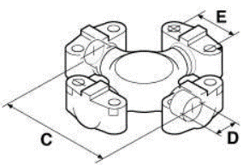
Catálogo Crucetas Especiales

Código | Marca | Modelo | Segmento | Versión | Motor | Año Inicial | Año Final | Tracción | Tipo de Combustible | Posición de Cardan | Tipo de Cardan
5-4143XS | Caterpillar | Tractor | Off Highway | D4D
5-4143XS | Caterpillar | Tractor | Off Highway | D4E
5-7105XS | Caterpillar | Pala Cargadora | Off Highway | 966
6C-1XS | Caterpillar | Excavadora | Off Highway | D7
5-7105XS | Caterpillar | Excavadora | Off Highway | D7
5-7105XS | Caterpillar | Tractor | Off Highway | DW15
5-7105XS | Caterpillar | Tractor | Off Highway | DW20
5-7105XS | Caterpillar | Tractor | Off Highway | DW620
5C-1XS | Caterpillar | Acentador de tubos | Off Highway
6C-1XS | Caterpillar | Pala Cargadora | Off Highway | 930
6C-3XS | Caterpillar | Pala Cargadora | Off Highway | 930
6C-1XS | Caterpillar | Pala Cargadora | Off Highway | 955
6C-1XS | Caterpillar | Excavadora | Off Highway | D6D-DD
6C-1XS | Caterpillar | Excavadora | Off Highway | D6D-PS
5-330XS | Dynapac | Compactador | Off Highway | CT-25
6C-3XS | Dynapac | Compactador | Off Highway | CT-25
6C-3XS | Dynapac | Tractor | Off Highway | TR-25
5-330XS | Dynapac | Tractor | Off Highway | TR-25
5-345X | Dynapac | Compactador | Off Highway | CP-21
6C-3XS | Emaq-Bantan | Grua | Off Highway | ES-488
6C-3XS | Emaq-Bantan | Grua | Off Highway | S-628
6C-1XS | Fiat Allis | Pala Cargadora | Off Highway | 134BR
6C-3XS | Fiat Allis | Pala Cargadora | Off Highway | 134BR
6C-1XS | Fiat Allis | Pala Cargadora | Off Highway | 1500B
6C-3XS | Fiat Allis | Pala Cargadora | Off Highway | 1500B
5C-1XS | Fiat Allis | Pala Cargadora | Off Highway | 1900B
6C-1XS | Fiat Allis | Pala Cargadora | Off Highway | 1900B
6C-3XS | Fiat Allis | Pala Cargadora | Off Highway | 1900B
5-345X | Fiat Allis | Pala Cargadora | Off Highway | 1900B
5-7105XS | Fiat Allis | Excavadora | Off Highway | AS14CS
6C-1XS | Fiat Allis | Motoniveladora | Off Highway | FG85
6C-3XS | Fiat Allis | Pala Cargadora | Off Highway | FR-10M
6C-3XS | Fiat Allis | Pala Cargadora | Off Highway | FR-12M
5-330XS | Hyster-Yale | Empilhadeira | Off Highway | H-2600-3
5-7105XS | J.I.CASE | Pala Cargadora | Off Highway | W36
5-330XS | J.I.CASE | Pala Cargadora | Off Highway | W36
5-330XS | J.I.CASE | Tractor | Off Highway | 4490
6C-1XS | J.I.CASE | Excavadora | Off Highway | Escavadeira
6C-3XS | J.I.CASE | Excavadora | Off Highway | LY-2P
6C-3XS | J.I.CASE | Pala Cargadora | Off Highway | W18
6C-3XS | J.I.CASE | Pala Cargadora | Off Highway | W20
6C-3XS | J.I.CASE | Pala Cargadora | Off Highway | W20B
5-330XS | Komatsu | Grua | Off Highway | Galion 150A
5-345X | Komatsu | Excavadora | Off Highway | D-30B
5C-1XS | Komatsu | Excavadora | Off Highway | D50A
6C-1XS | Komatsu | Excavadora | Off Highway | D60A/E
6C-1XS | Komatsu | Excavadora | Off Highway | D65A/E
6C-3XS | Komatsu | Grua | Off Highway | 150
6C-3XS | Komatsu | Motoniveladora | Off Highway | HWB A400E
6C-3XS | Komatsu | Motoniveladora | Off Highway | HWB A450E
6C-3XS | Komatsu | RetroExcavadora | Off Highway | 660 M11
5-12062XS / 5-12061XS | Mercedes-Benz | 1621 | Off Highway |  |  | 1997 | 1998 | 4x2 | Diesel | Z | T1
5-12062XS / 5-12061XS | Mercedes-Benz | 2318 | Off Highway |  |  | 1990 | 1999 | 6x4 | Diesel | F | T2
5-12062XS / 5-12061XS | Mercedes-Benz | 2325 | Off Highway |  |  | 1990 | 1998 | 6x4 | Diesel | F | T8
5-12062XS / 5-12061XS | Mercedes-Benz | 2418 | Off Highway |  |  | 1992 | 1999 | 6x4 | Diesel | F | T2
5-12062XS / 5-12061XS | Mercedes-Benz | 2418 | Off Highway |  |  | 1992 | 1999 | 6x4 | Diesel | B | D1
5-12062XS / 5-12061XS | Mercedes-Benz | 2423 | Off Highway |  |  | 1999 | 2006 | 6x4 | Diesel | F | T2
5-12062XS / 5-12061XS | Mercedes-Benz | 2428 | Off Highway |  |  | 2001 | 2006 | 6x4 | Diesel | F | T8
5-12062XS / 5-12061XS | Mercedes-Benz | O 370 | Off Highway |  | OM 355 | 1991 | 1995 | 4x2 | Diesel | Z | T16
5-12062XS / 5-12061XS | Mercedes-Benz | O 400 | Off Highway |  |  | 1997 | 2006 | 4x2 | Diesel | Z | T1
5-12062XS / 5-12061XS | Mercedes-Benz | OH 1623 | Off Highway |  |  | 1996 | 2001 | 4x2 | Diesel | Z | T1
5-12062XS / 5-12061XS | Mercedes-Benz | OH 1628 | Off Highway |  |  | 1998 | 2006 | 4x2 | Diesel | Z | T1
5-12450XS | Müller Wabco | Compactador | Off Highway | AP 23
5-12450XS | Müller Wabco | Compactador | Off Highway | AP 26
5-12450XS | Müller Wabco | Tractor | Off Highway | TC 28
6C-3XS | Müller Wabco | Tractor | Off Highway | TI 18
5-12450XS | Müller Wabco | Tractor | Off Highway | TI 18
5-330XS | Müller Wabco | Tractor | Off Highway | TI 25
5-12450XS | Müller Wabco | Tractor | Off Highway | TI 25
5-12450XS | Müller Wabco | Tractor | Off Highway | TM 22
5-12450XS | Müller Wabco | Tractor | Off Highway | TM 25 / CP
5-12450XS | Müller Wabco | Tractor | Off Highway | TM 28
5-12450XS | Müller Wabco | Tractor | Off Highway | TM 31
5-12450XS | Müller Wabco | Tractor | Off Highway | TS 22
5-330XS | Müller Wabco | Tractor | Off Highway | TI 36
6C-3XS | Müller Wabco | Tractor | Off Highway | TM 14
5-330XS | Müller Wabco | Tractor | Off Highway | TM 14
6C-3XS | Müller Wabco | Compactador | Off Highway | AP23
6C-3XS | Müller Wabco | Compactador | Off Highway | AP26
5-330XS | Rucker-Yuken | Tractor Industrial | Off Highway | RY-4210
6C-3XS | Rucker-Yuken | Tractor Industrial | Off Highway | RY-4203
6C-3XS | Rucker-Yuken | Tractor Industrial | Off Highway | RY-4205
5-330XS | Tema Terra | Compactador SP-255 | Off Highway | SP-255
5-330XS | Tema Terra | Compactador | Off Highway | SP-12000
6C-3XS | Tema Terra | Compactador | Off Highway | SP-5500
6C-3XS | Tema Terra | Compactador | Off Highway | SP-8000
6C-3XS | Tema Terra | Compactador | Off Highway | TT-4420
5-330XS | Terex | Pala Cargadora | Off Highway | 72-51
5-7105XS | Terex | Scraper | Off Highway | Scraper
6C-3XS | Terex | Pala Cargadora | Off Highway | 95S
6C-3XS | Terex | Tractor | Off Highway | D6D-PS
6C-3XS | Villares | Grua | Off Highway | 20VE / VF / VG
5-345X | VME Volvo Clark Michigan | Empilhadeira | Off Highway | C 300Y
5-345X | VME Volvo Clark Michigan | Pala Cargadora | Off Highway | 75 III / HD
5-345X | VME Volvo Clark Michigan | Pala Cargadora | Off Highway | L-30
5-4143XS | VME Volvo Clark Michigan | Pala Cargadora | Off Highway | 134A
6C-1XS | VME Volvo Clark Michigan | Pala Cargadora | Off Highway | 55
5-4143XS | VME Volvo Clark Michigan | Pala Cargadora | Off Highway | 55
...

Posición del Eje Cárdan
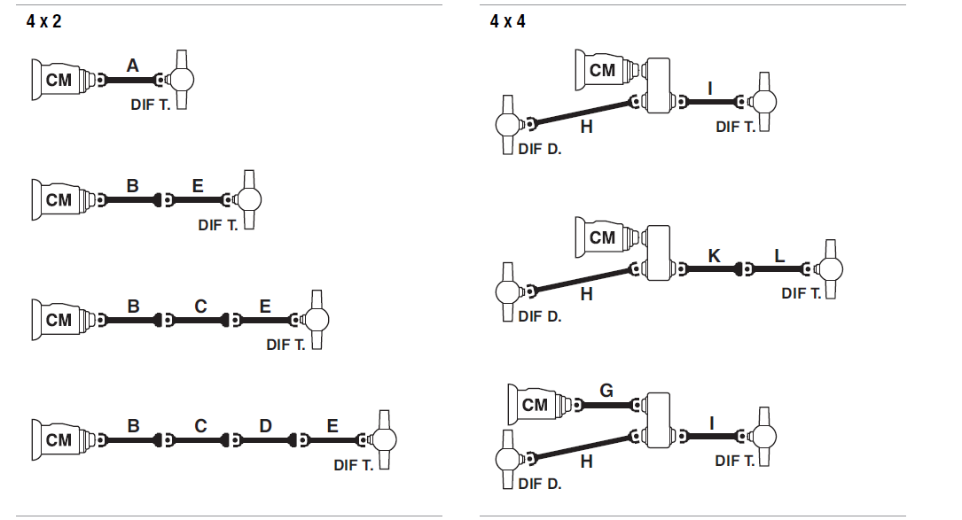 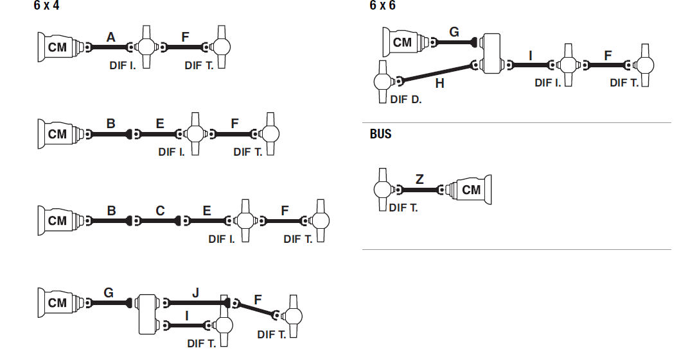
POSICIÓN DEL EJE DE CÁRDAN

Tipos de Cárdan
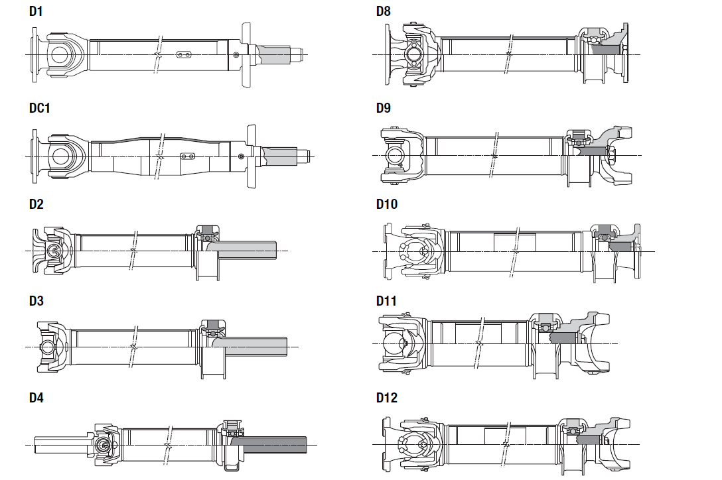 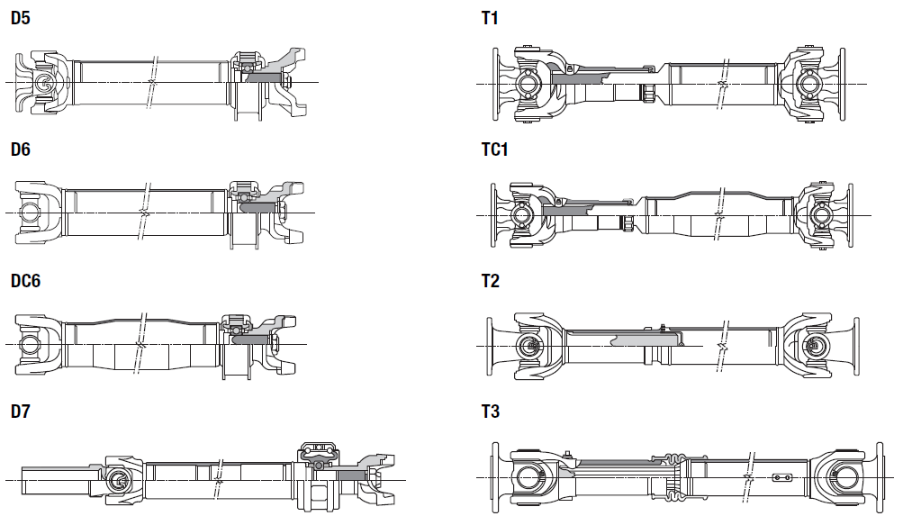
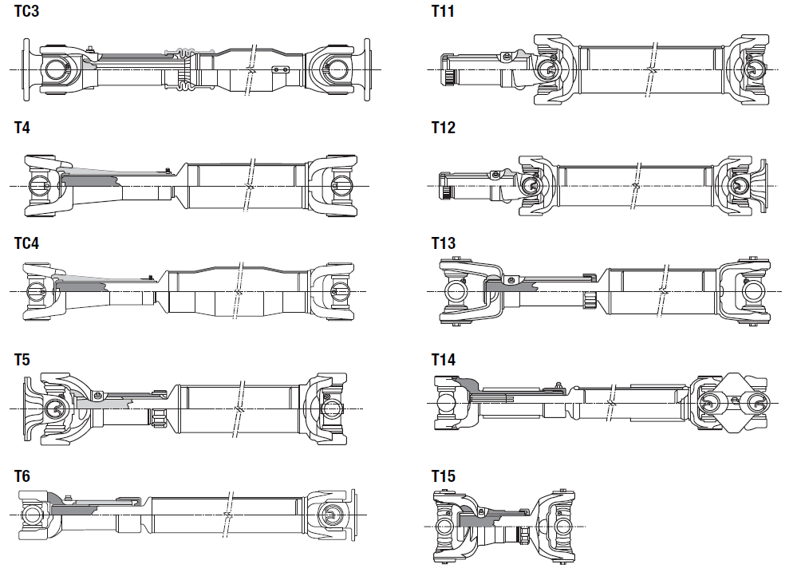
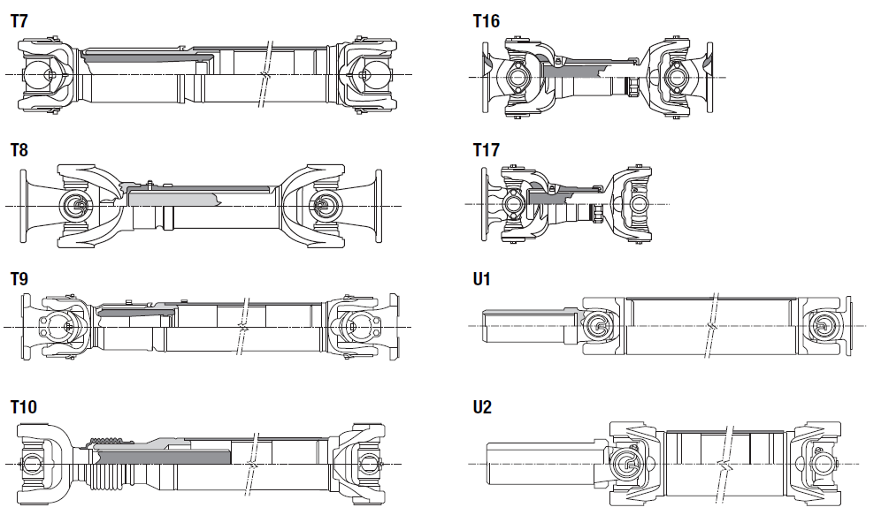
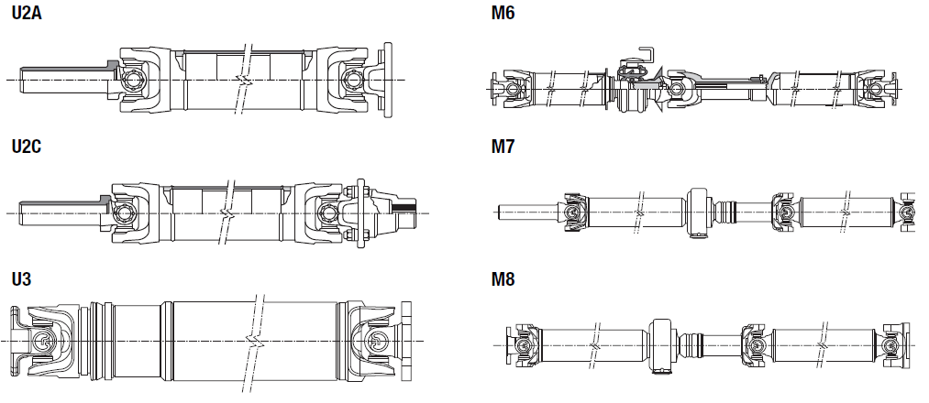
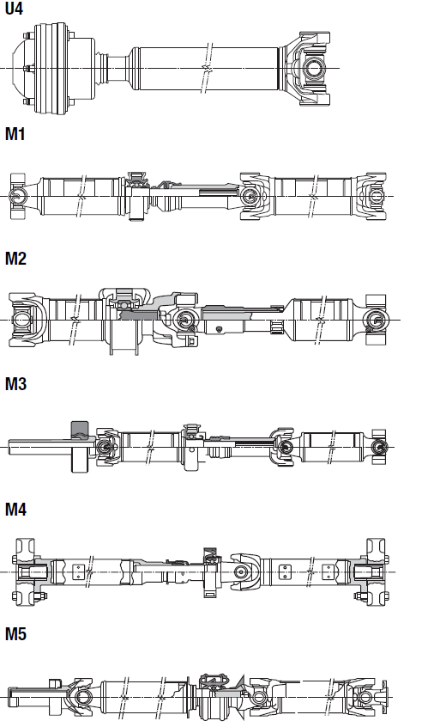
TIPOS DE CÁRDAN

Horquillas Deslizantes
 |  |  | J | E | D | Plano | Imgen | OEM
 | ø D Menor | L
 | 33.02 | 135.6 | 165.1 | 112.8 |  |  |  | 6006009073007 / 6006009073007 / 93258552 / 90TU4841AA
 | 48.9 | 200 | 264 | 191
 | 27.89 | 184.2 | 206.2 | 88.1 |  |  |  | 84TU4841A
 | 26.8 |  | 150.2 | 98.75
 | 26.9 | 106.5 | 158 | 92
 | 30.2 |  | 133.3 | 106.3 |  |  | 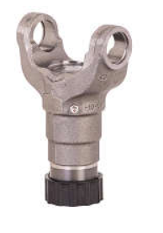 | 6904100108
 | 30.15 | 118.3 | 147.9 | 112.8 |  |  | 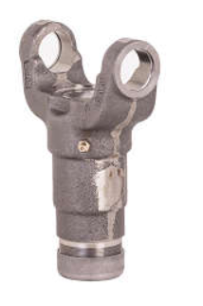 | 3707216
 | 27 |  | 163 | 91
 | 34.9 | 139.7 | 175 | 133 |  |  |  | 7322139 / 85HU4841A
 | 37.6 |  | 127 | 124.4
 | 35 | 139.7 | 173 | 113 |  |  |  | T11521353 / 4183221
 | 47.8 | 212.5 | 275 | 135 |  |  |  | 93276293 / 88HU4841A / 88TU4841AA / TE3521353 / 11915003
 | 27 | 127 | 152.4 | 92 |  |  |  | 6003009006006 / 94628612
 | 30.2 | 103.9 | 133.3 | 106.3 |  |  | 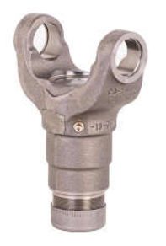 | 6006009012007 / 2RD521353 / BC8T4841A / 2994926 / 2RD521353
 | 27 |  | 190.5 | 90
 |  |  | 152.4
 | 45 | 213.5 | 272.5 | 124 |  |  |  | 3354100308
 | 48 | 216.5 | 270 | 156
 | 40 | 169 | 220 | 98.9 |  |  |  | 3444100108 / 3444100188
 | 43.6 | 203 | 248 | 138 |  |  |  | 11993923 / 6885156
 | 44.5 | 192 | 240 | 144 |  |  |  | 173766
 | 50 | 220 | 268 | 164 |  |  |  | 207989
49.23 | 41.2 | 211 | 256.5 | 136.7 |  |  |  | 6954100008 / 2TG521353
56 | 48 |  | 269 | 160
76 | 49.37 | 241.3 | 302 | 192 |  |  |  | BF5X4841A / 1672507 / 2UU521353 / 6885656
63.5 | 49.2 | 234.9 | 296.9 | 152.4 |  |  |  | BF0X4841A / BF1X4841C / BFOX4841A / 2Z0521131
28 | 27 |  | 151.9 | 88.2
 | 26.95 |  | 172 | 99
...
 |  |  | J | E | D | Plano | Imgen | OEM
Ø Mayor | ø D Menor | L
39.95 | 26.95 |  | 162 | 98.7
47.75 | 26.95 |  | 173 | 88.3
38.1 | 33 | 113.5 | 143 | 112.8
31 | 27.9 | 133 | 155 | 88.1 |  | 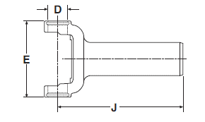 |  | 9307339
63.5 | 54.6 | 224.5 | 268.5 | 177 |  |  |  | 11994930 / 6885157
31 | 27.9 | 127 | 152.5 | 98.6 |  |  | 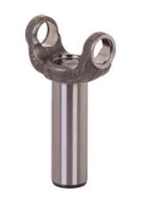 | 94628613
34.9 | 30.2 | 148.5 | 186.5 | 88.1 |  |  | 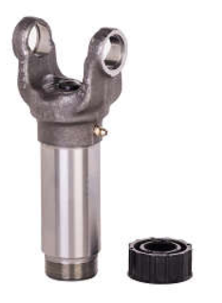
34.9 | 30.2 | 111.3 | 136.7 | 88.1 |  |  |  | 7317578 / 9317578
34.9 | 30.2 | 111.3 | 136.7 | 88.1 |  |  | 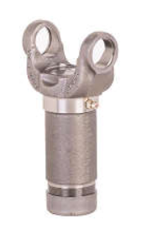 | BC8Y4841A / 2994948
34.9 | 30.2 | 127 | 152.5 | 98.6 |  |  |  | BD2Y4841A / 4128410
39.7 | 36.7 | 139.7 | 170.7 | 112.8
39.7 | 36.7 | 139.7 | 173 | 112.8
37.2 | 33.4 | 156.2 |  | 112.8 |  |  |  | 500053719
38.1 | 33.00 | 113.5 | 143 | 112.8 |  |  | 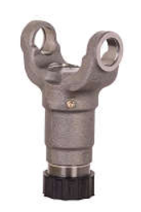 | 337071KX
...
 |  |  | J | E | D | Plano | Imgen | OEM
 | ø D Menor | L
 | 34.5 | 139.7 | 173 | 112.8 | 34.8
...

Horquillas y Puntas Estriadas
 |  | E | A | B | C ø | Plano | Imagen | OEM
ø D Menor | L
 |  |  | 370 | 123.4 | 121.4
...
 |  |  | 270 | 152 | 121.4
 |  |  | 312 | 113 | 97.73
...
 |  |  | 275 | 128 | 101.6
 | 65 | 135.4 |  |  |  | 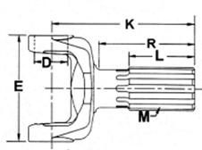
 | 105 | 98.6
 |  | 126.1
 | 247 | 180 |  |  |  |  |  | 11994939
 | 108 | 172
57.7 | 66.1 |  |  |  |  | 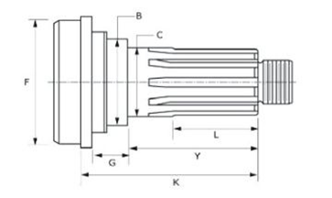 | 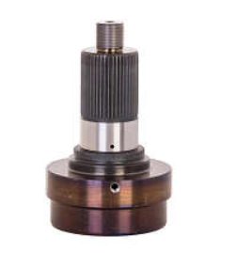
 | 67.5
32.5 | 63.4 |  |  |  |  |  | 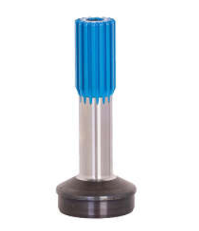
49.5 | 68 |  |  |  |  |  | 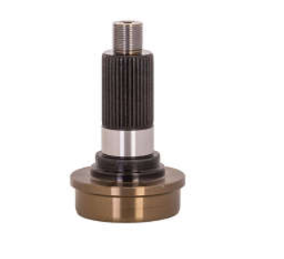
34 | 76.2
66.5 | 76.2
 | 76.2
 | 50.8 |  |  |  |  | 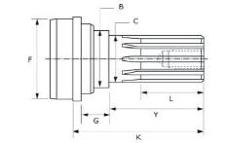
 | 112.7 |  |  |  |  | 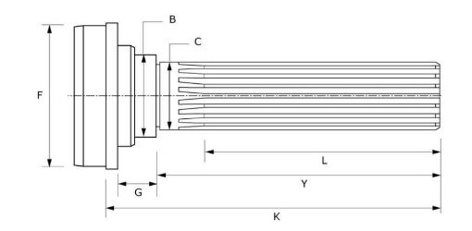
34.9 | 137.5 |  |  |  |  |  | 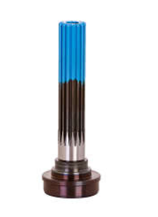
34.9 | 126.2
 | 92.2
 | 50.8
44.4 | 150.8 |  |  |  |  |  | 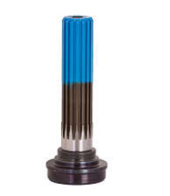
37.7 | 76.2
39.9 | 150.9
 | 50.9
43.7 | 88.9 |  |  |  |  |  | 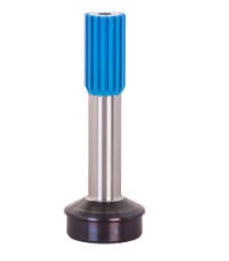
44.4 | 46.1
 | 112
 | 57.2
34.9 | 112.9 |  |  |  |  |  | 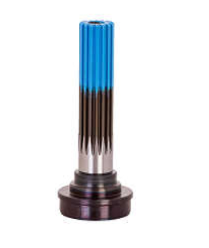
 | 88.9
 | 88.9
 | 88.9
 | 88.9
 | 101.6 |  |  |  |  |  | 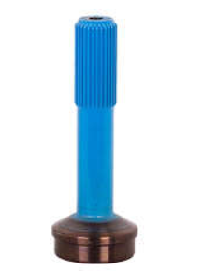
 | 180 |  |  |  |  |  |  | 3584110001
 | 41
 | 50 |  |  |  |  |  |  | 3354110102
 | 215 |  |  |  |  |  |  | 3354110002
 | 119
 | 69.85
 | 56 |  |  |  |  |  |  | 177103
 | 68 |  |  |  |  |  |  | 208086
 | 105 |  |  |  |  |  | 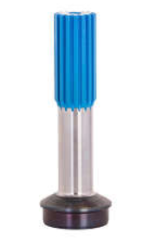 | 1673460 / 169110
 | 127 |  |  |  |  |  |  | 208074
 | 114.5 |  |  |  |  |  |  | 6885550
 | 55
 | 129 |  |  |  |  |  | 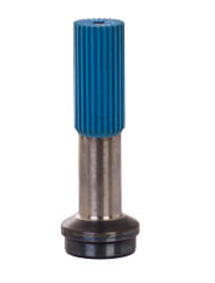
 | 108.8
 | 72.3
 |  |  |  |  |  |  | 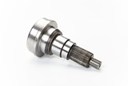
 | 101.8
 | 47.7
 | 28
 | 90
 | 90 |  |  |  |  |  | 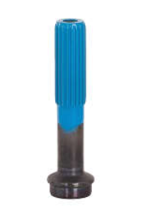
 | 50 |  |  |  |  |  | 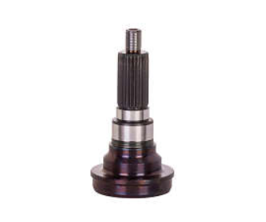
 | 57 |  |  |  |  |  | 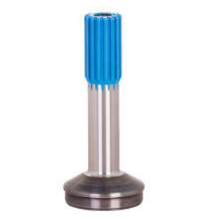
 | 57.2 |  |  |  |  |  | 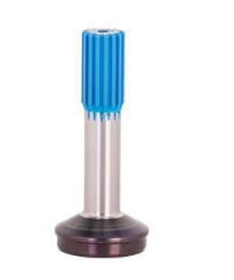 | 83998700
 | 50.8 |  |  |  |  |  |  | BC8A4851A
 | 57.2
 | 57.2 |  |  |  |  |  | 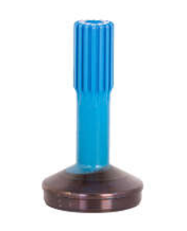
 | 63.5
 | 50.8
 | 50.8
39.7 | 76.2
39.7 | 71.4
36.5 | 88.9
28.3 | 51.1
25.8 | 50.8 |  |  |  |  |  | 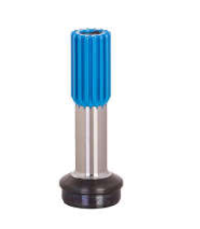
54 | 110 |  |  |  |  |  | 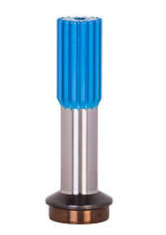 | 6885512
56 | 96.5
43.7 | 88.9 |  |  |  |  |  |  | 6885590
44.5 | 50.8 |  |  |  |  |  | 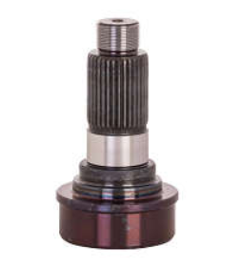
38.1 | 50.8
34.9 | 113 |  |  |  |  | 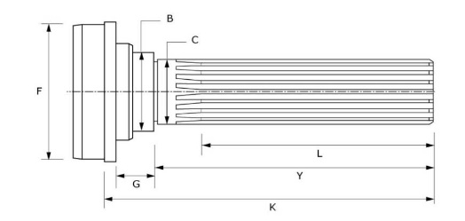 | 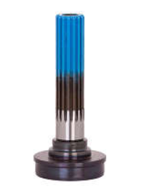
38.1 | 119 |  |  |  |  |  | 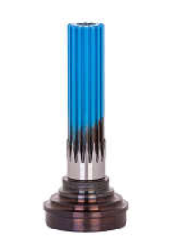
34.9 | 112.8
43.7 | 88.9
28.5 | 55.3
44.4 | 50.8 |  |  |  |  |  |  | 6885588
54.8 | 61.5 |  |  |  |  |  |  | 6885510
54.8 | 61.5 |  |  |  |  |  |  | 6885547
54.8 | 61.5
65.5 | 114.3 |  |  |  |  |  |  | 6885642
54 | 101.6
 | 175
 | 76.2
...

Puentes
Deflector | Reten | A (mm) | B (mm) | C (mm) | D (mm) | Plano | Imagen | OEM
 |  | 38 |  |  |  |  |  | 21081171
(Bracket) 232979 |  | 40 | 57.15 | 32 | 167 |  |  | 2P0598351
(Bracket) 230146 | 5-95-29 (Slinger) 230151 | 45 | 68 | 57 | 194 |  |  | TMG521117
(Bracket) 231247 | Subconjunto Mancal Central 45-948CR | 35 | 57.15 | 32 | 168.2 |  |  | 52258583 / 4128414
(Slinger) 231000 |  | 40 | 63.3 |  | 168.1 |  | 
(Slinger) 231000 |  | 40 | 63.3 |  | 168.2
(Slinger) 08-451 | (Bracket) 232979 |  | 57.1 |  | 168.2 |  | 
 |  | 60 |  | 47
(Slinger) Z-520 | (Bracket) PTX-108 | 40
...
 |  | 55 |  | 58.2 | 173 | 
 |  | 40 | 65.1 | 60.4 | 164.7 | 
 | 8-95-49 (Bracket) 5003324 | 60 | 85 | 65 | 219.5 |  | 
DE-158 | Z-522 | 45 | 68 | 57 | 194
(Slinger) 230746 | (Bracket) 232856 | 60 | 85.7 |  | 219 |  |  | A0004100510 / 8127224
(Slinger) 230166 | (Bracket) 230164 | 50 | 70 | 52 | 193 |  |  | 13FOX4W038B / 4101022 / TMJ521117
 |  |  | 90 |  | 180 |  | 
(Slinger) 3520712 | (Bracket) 5014319 | 45 | 60 / 61 (C.S) |  | 168 |  | 
(Slinger) 3520712 | (Soporte Central) 5020068 |  |  |  |  |  | 
(Slinger) 3520712 | (soporte central) 5020068 / (Reten) 3520410 |  |  |  |  |  | 
(Slinger) 3520712 | (soporte central) 5020670 / (Reten) 3520410
 | Subconjunto Mancal Central 45-948CR | 35 | 57.9 | 44.5
 | Subconjunto Mancal Central 45-951CR | 45 | 68 | 57 | 194 |  | 
 | Subconjunto Mancal Central 45-949CR | 40
 | Subconjunto Mancal Central 45-949CR
 | Subconjunto Mancal Central 45-948CR | 35
 | Subconjunto Mancal Central 211793-1XSC |  |  |  |  |  | 
 | Subconjunto Mancal Centra 212067CR | 60 |  |  |  |  | 
 | Subconjunto Mancal Central 45-948CR | 35
 | Subconjunto Mancal Central 45-949CR | 40
 | Subconjunto Mancal Central 45-949CR | 40
 | Subconjunto Mancal Central 45-951CR | 45
 | Subconjunto Mancal Central 45-959CR | 55 |  |  |  |  | 
 |  | 60 |  |  |  |  |  | 1672356
 |  |  |  |  |  |  | 
 |  | 30 |  |  |  |  |  | 37230OK040
 |  | 32 |  |  |  |  | 

Salidas de Puente
 | C | D | E | P/ Tubo | Plano | Imagen | OEM
B (ø Menor)
50.5 | 50 | 146.5 | 126 |  |  | 
66.2 | 108.8 | 152 | 145.2 |  |  |  | A 000 264 84 45 / 2T2 311809
80 | 60 | 162 | 145.4 |  |  |  | 4101630
55 | 65.3 | 150 | 133.7 |  |  |  | A976 262 0845
34.8 | 31 | 102.6 | 106.4 |  |  |  | 3317608 / 6006.004.145.00.0 / 94642778 / BE2Y 7089 A / BF6T 7089 AB / 2P0 311807
44.4 | 35 | 100 | 122 |  |  |  | 4101230 / 2VF521211 / 11992495 / 4460311
50.8 | 50 | 140 | 153 |  |  |  | BF1X4865A / A0004110345 / TMJ521211
49.8 | 49 | 112 | 130 |  |  | 
44.4 | 48 | 105 | 135 |  |  |  | 88HU4865AA / 93276288 / 7149143 / TE3521211
50.2 | 42 | 114 | 126.2 |  |  |  | 6943537045
46.2 | 42 | 117 | 124 |  |  |  | 2623445 / B954711809504
46.2 | 49 | 122.5 | 131 |  |  |  | 2647945
45.3 | 42.3 | 109.5 | 123.7 |  |  |  | A0004100930 / 0004100930
45.9 | 49 | 112 | 134 |  |  |  | A0004100430 / 0004100430
40.8 | 30 | 94.5 | 103.8
40.2 | 35 | 99 | 104 |  |  |  | 6883507145 / A6883537145
41.2 | 35 | 99 | 104 |  |  |  | A6882627145
50.2 | 47.62 | 110 | 135 |  |  |  | 3843537045 / A3843537045
59.6 | 50 | 150 | 191.69
51.3 | 44 | 112 | 149 |  |  |  | 169132
54.5 | 44 | 112.3 | 149 |  |  |  | 190027 / 202805
51.3 | 50 | 121 | 164 |  |  |  | 207397
54.8 | 50 | 115 | 164 |  |  | 
54.8 | 50 | 122 | 164 |  |  |  | 202382 / 208513
 |  | 100.49 |  | 55 |  |  | 6007009144006 / BG1X4851AA / 2RE525283
...
 | C | D | E | P/ Tubo | Plano | Imagen | OEM
B (ø Menor)
29 |  | 107.5 | 89
34.7 | 29.9 | 89.1 | 106.2 |  |  | 
44.3 | 34.7 | 102.4 | 106.1 |  |  | 
32.9 | 30.2 | 92.5 | 106.4 |  |  |  | 6882627045 / A6882627045
50.2 | 47.7 | 110 | 135 |  |  |  | A3863537045
35.7 | 34.8 | 98 | 126.2 |  |  |  | 6883500144 / A6883500144
45.8 | 34.6 | 100.4 | 126 |  |  |  | 4101230 / A0004101230
46.2 | 41.2 | 110 | 125.7 |  |  |  | 6942627045 / A6942627045
50.2 | 41.2 | 110 | 125.7 |  |  |  | 3843537145 / A3843537145
35.7 | 30.2 | 100.2 | 106.4 |  |  |  | 93211357 / 93314368 / BF8T 7089 B
37.6 | 30.1 | 99.1 | 106 |  |  |  | A0004100230 / 0004100230
37.6 | 34.7 | 103 | 106.2 |  |  |  | 87TU4865AA / 0004100330
39.8 | 34.6 | 90 | 125.9 |  |  |  | 94648404
38 | 34.7 | 97.4 | 125.9
38.3 | 34.8 | 102 | 126.2 |  |  | 
44.1 | 34.6 | 97.6 | 121 |  |  |  | 2VF521211 / 11992495 / 4460311
38.3 | 34.8 | 104.9 | 126.2 |  |  |  | 93292558 / 3000676
37.7 | 34.8 | 96.8 | 125.8 |  |  |  | 4100530 / A0004100530
46 | 41.9 | 109 | 125.7 |  |  |  | 2TG521211
...
 | C | D | E | P/ Tubo | Plano | Imagen | OEM
B (ø Menor)
 |  |  |  |  |  | 
 |  |  |  |  |  | 
 |  |  |  |  |  | 
 |  |  |  |  |  | 
 |  |  |  |  |  | 
 |  |  |  |  |  | 
...
 | C | D | E | P/ Tubo | Plano | Imagen | OEM
B (ø Menor)
 |  |  |  |  |  | 
 |  |  |  |  |  | 
...
 | C | D | E | P/ Tubo | Plano | Imagen | OEM
B (ø Menor)
 |  |  |  |  |  | 
...
 | C | D | E | P/ Tubo | Plano | Imagen | OEM
B (ø Menor)
 |  |  |  |  |  | 
 |  |  |  |  |  | 
...

Bridas
B | ø Agujero | G | F | E | R | Plano | Imagen | OEM
95.3 | 11.2 | 42.8 |  | 106.3 |  |  |  | 370776 / 3707776 / 2994235
95.3 | 1.2 | 39.9 |  | 92
79.4 | 9.8 | 34.9 |  | 81.8
95.3 | 11.2 | 34.9 |  | 81.8
120.6 | 14.2 | 50.8 |  | 126.1
120.6 | 14.2 | 38.1 |  | 126.1
108 | 12.7 | 4,135 |  | 98.6
...
90 | 10.4 | 40.4 |  | 61.9
77.8 | 10.5 | 36 |  | 61.9
130 | 13 | 79 |  | 117
148 | 15 | 113 |  | 136
132 | 13 | 112 |  | 119
120.8 | 12.7 | 50.9 |  | 112.9 |  |  | 
102 | 10 | 60 |  | 62
112 | 10 | 60 |  | 62 |  |  |  | 3524110011
184 | 9.5 | 75 |  | 155 |  |  | 
85.1 | 10 | 45 |  | 88.2
92.98 | 4 | 41.5 |  | 105 |  |  | 
92.98 | 4 | 42 |  | 111.5
101 | 10.6 | 73 |  | 136.6 |  |  | 
9.8 |  |  |  | 59.7 |  | 
154.5 | 9 | 55.5 |  | 152 |  |  |  | 6885154
184.15 | 9 | 82 |  | 177 |  |  |  | 6885155
130 | 12 | 72 |  | 118 |  |  |  | 3364110011
130 | 12 | 102 |  | 158 |  |  |  | 3864100030 / A3864100030
102.8 | 10 | 59 |  | 112.5
184.5 | 11.1 | 76 |  | 193.2 |  |  | 
112 |  | 64 | 43 | 53.8
 |  | 110.9 |  | 188.3 |  |  |  | 503120288 / 20471436
59.9 |  | 152 | 91 | 14 |  |  |  | A0004110645 / 8127207
54.9 |  | 153 | 108.5 | 14 |  |  |  | A 000 411 05 45
 |  | 89 |  |  |  |  |  | A0004110745 / 8127210
 |  | 136.6 | 73 | 10.6
 |  | 63 | 65 | 9.8 |  |  | 
 |  | 64 | 48 | 52.4
 |  |  |  |  |  |  | 
 |  |  |  |  |  |  | 
 |  |  |  |  |  |  | 
 |  |  |  |  |  |  |  | 9064110200
 |  | 82.5 |  |  | 80 |  |  | 6885657
 |  | 82.5 |  |  | 80 |  |  | 6885148
 |  | 82 |  | 177 |  |  |  | 6885650
 |  | 92 |  | 172 |  |  |  | 11994933 / 6885567
 |  | 35.1 |  | 88.1
 |  | 30.2 |  | 68.3 |  |  |  | 9299121 / 3319737 / 6885181
 |  | 42.9 |  | 112.8
 |  | 38.1 |  | 112.8
 |  | 50.8 |  | 133.4 |  |  | 
 |  |  |  |  |  |  | 
...
 | ø Agujero | G | F | E | R | Plano | Imagen | OEM
 |  |  |  |  |  |  | 
 |  |  |  |  |  |  | 
 |  |  |  |  |  |  | 

Bases para Armado
Bases Para Armado
Código | Serie | Aplicación | Diámetro / Espesor de Tubo | Horquilla Fija | Imagen
CHFT-104-2 |  |  |  |  | 
CHFT-110-3
CHFT-114-1
CHFT-114-2
CHFT-129-1
CHFT-129-2 |  | Largo 1499,0 mm | 88,9 mm X 1,6 mm | HF129
CHFT-1697-1
CHFT-173-2 |  | Largo 721,1 mm | 76,2 mm X 2,4 mm | HF173
CHFT-173-3
CHFT-192-1
CHFT-192-3 |  | Largo 671,6 mm | 88,9 mm X 2,4 mm | HF192
...

Homocinética
Código | Serie | Aplicación | Posición | Aplicación en Marca | Aplicación en Vehículo (Tracción) | Imagen
32SG80003 |  | Homocinética | Delantera | Ford | Ranger (4x4) todas | 

Col direccion - Imagenes
Tipo de Columna | Imagen
Tipo 1
Tipo 2
Tipo 3
Tipo 4 | 
Tipo 6
Tipo 7
Tipo 8
Tipo 9 | 
Tipo 10
Tipo 11 | 
Tipo 12 | 
Tipo 13 | 
Tipo 14 | 
Tipo 15 | 
Tipo 21 | 

